new
PACKAGE PIC | PRODUCT PIC | Bar Code | PRODUCT NAME | Units | RRP | Total RRP | SPECIFICATIONS | Language
 |  | 6932172684358 | OS-Baseus Bowie MC1 OL Open-Ear TWS Earbuds Cosmic Black | 238 | £74.90 | £17,826.20 | Name: Baseus Open-Ear TWS Earbuds Model: PM138 Bluetooth Version: V5.4 Communication Range: 10m in open environments Battery Capacity: 48mAh/0.185Wh (earphones), 600mAh/2.22Wh (charging case) Input: 5V⎓1A Output: 3.8-5V⎓240mA (120mA per port) Frequency Response Range: 20Hz-20KHz Wireless Frequency Band: 2400MHz-2483.5MHz Charging Port: Type-C Compatibility: Bluetooth-enabled playback devices | DE,RU,PT,JP,KR,EN,IT,FR,UA,ES,TC,AR,VI,ID,PL,TR
 | 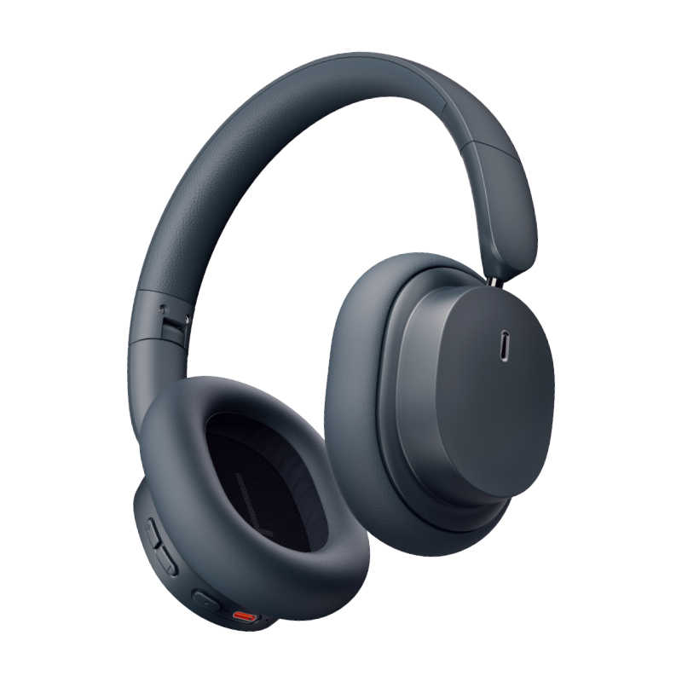 | 6932172644390 | Baseus Bowie D05 Wireless Headphones Cluster Black | 217 | £47.90 | £10,394.30 | Name: Baseus Wireless Headphones Model No.: Baseus Bowie D05 Material: ABS+PC+metal Wireless version: V5.3 Communication distance: 10m Music playing time: 70 hours (volume at 70%) Battery capacity: 600mAh/2.22Wh Rated input: DC5V⎓600mA Rated consumption current: 8mA Fully charging time: About 2 hours Frequency response range: 20Hz to 20kHz Charge interface: Type-C Application scope: Playback devices with wireless functions *The above data sources are measured values from the Baseus laboratory, but the data may be different or inaccurate due to changes in the actual environment. | DE,RU,PT,JP,KR,EN,IT,CN,FR,UA,ES,TC,AR,PL,NL,TR
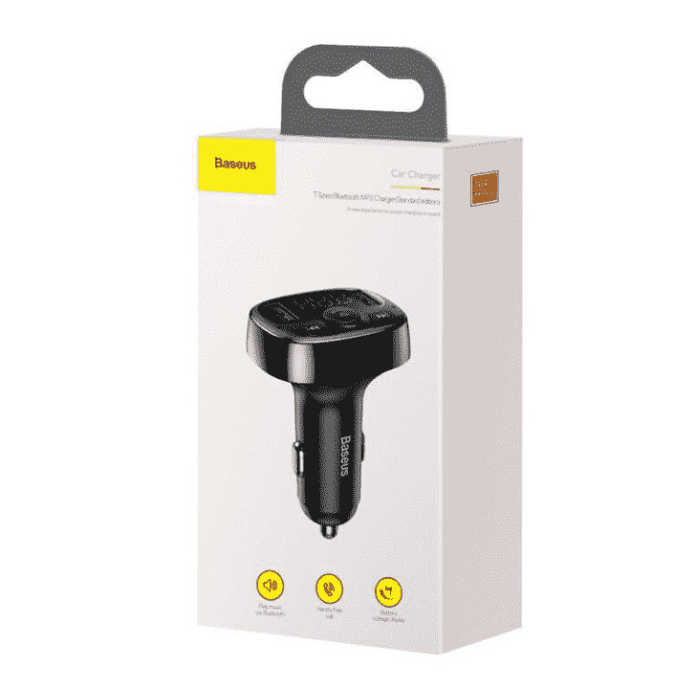 | 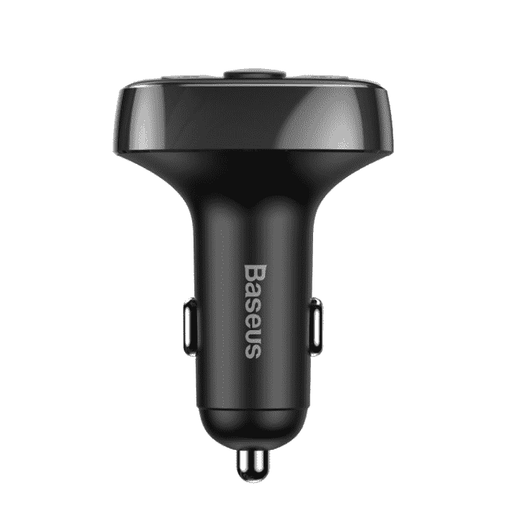 | 6932172626976 | OS-Baseus T Shaped S-09A Car Bluetooth MP3 Player (Standard Edition) Black | 213 | £21.90 | £4,664.70 | Name:CarFM Transmitter ModelNo.:S-09A Working voltage:DC12-24V Output:3.4A each Transmission frequency:87.5-108.0MHz FM transmission distance:<16ft BT version: V4.2 Effective distance:≈32ft | DE,AR,RU,PT,JP,KR,EN,IT,PL,UA,FR,ES
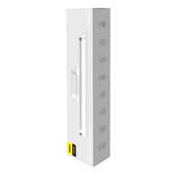 | 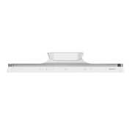 | 6953156229594 | Baseus Magnetic Stepless Dimming Charging Desk Lamp Pro White | 200 | £31.90 | £6,380.00 | Brand: Baseus Name: Baseus i-wok Series Charging Office Reading Desk Lamp (Spotlight) Material: ABS+PC Color: White Rated voltage: 5V Power: 5W Light source: LED Luminous flux: ≥100 lm Color rendering index: ＞80 Ra Battery capacity: 1800mAh Color temperature: 3000K-5000K Working time: strong light - 4 hours; low light - 40 hours Product size: 280*39*48mm Product weight: 184g | EN,CN
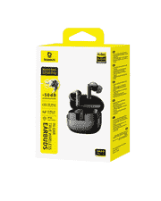 |  | 6932172695019 | OS-Baseus Bass EP10 Pro In-Ear True Wireless Earbuds Cosmic Black | 174 | £46.90 | £8,160.60 | Name:Baseus Bass EP10 Pro In-Ear True Wireless Earbuds Model:PM132 Material:ABS+PC Bluetooth Version:v.5.4 Audio Coding:SBC,AAC,LDAC Communication Range:10 meters Listening Time:11 hours(with volume at 50%) Earbud Battery Capacity:60mAh/0.231Wh Input:5V1A Output:3.8-5V320mA (160mA per port) Full Charge Time:1.5 hours Frequency Response Range:20Hz-20kHz Charging Port:USB-C Bluetooth Maximum Output Power:+4dBm Operating Temperature: 0℃ to 45℃ Compatibility: Bluetooth-enabled playback devices | EN
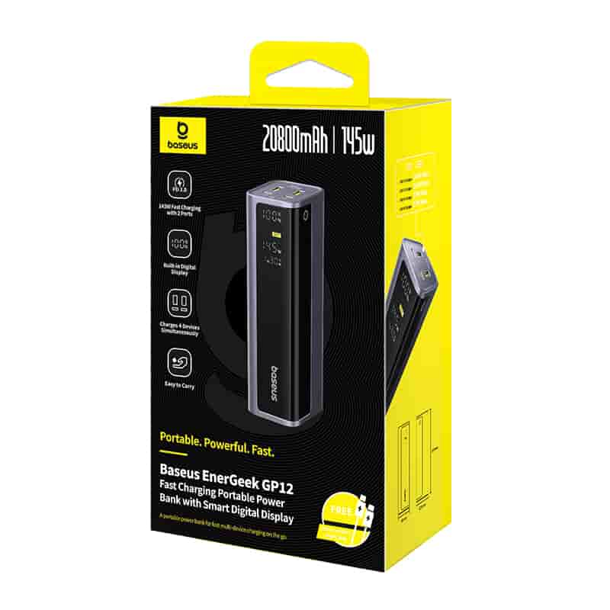 | 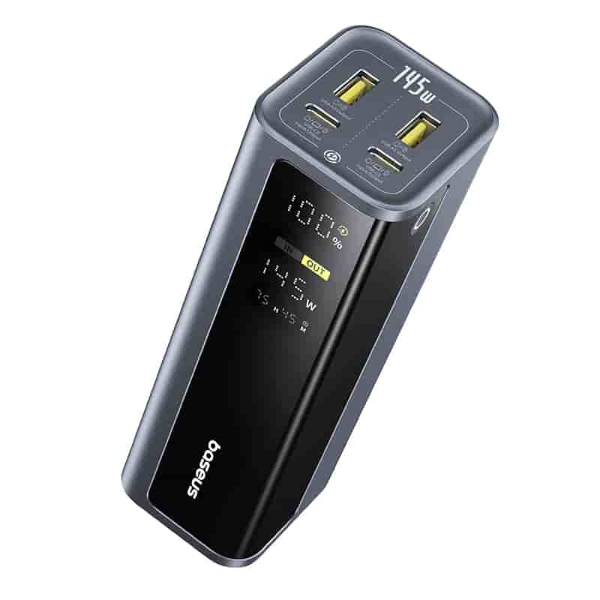 | 6932172687571 | OS-Baseus EnerGeek GP12 Fast Charging Power Bank with Digital Display 20800mAh 145W Space Grey (Includes Type-C to Type-C Cable 1M 100W) | 152 | £108.90 | £16,552.80 | Baseus EnerGeek GP12 Fast Charging Portable Power Bank with Smart Digital Display Model No.: PPAP-20E5 Capacity: 5200mAh 14.8V/77Wh Cell: 2600mAh*8pcs USB-C1/USB-C2 Input: 5V⎓3A;9V⎓3A;10V⎓2.25A;11V⎓3A;12V⎓3A;15V⎓3A;20V⎓3.25A USB-C1/USB-C2 Output: 5V⎓3A;9V⎓5A(PPS);11V⎓3A;12V⎓3A;15V⎓3A;20V⎓5A USB-A1/USB-A2 Output: 5V⎓3A;9V⎓2A;10V⎓2.25A;11V⎓3A;12V⎓2.5A USB-C1+USB-A1 Output: 5V⎓3A USB-C2+USB-A2 Output: 5V⎓3A USB-C1+USB-C2 Output: 100W Max+45W Max/65W Max+65W Max USB-C1+USB-A2 Output: 100W Max+33W Max USB-C2+USB-A1 Output: 100W Max+33W Max USB-A1+USB-A2 Output: 33W Max+33W Max (USB-C1+USB-A1)+USB-C2 Output: 15W Max+100W Max (USB-C1+USB-A1)+USB-A2 Output: 15W Max+33W Max (USB-C2+USB-A2)+USB-C1 Output: 15W Max+100W Max (USB-C2+USB-A2)+USB-A1 Output: 15W Max+33W Max (USB-C1+USB-A1)+(USB-C2+USB-A2) Output: 15W Max+15W Max | DE,RU,PT,JP,KR,EN,IT,FR,UA,ES,AR,PL,TR
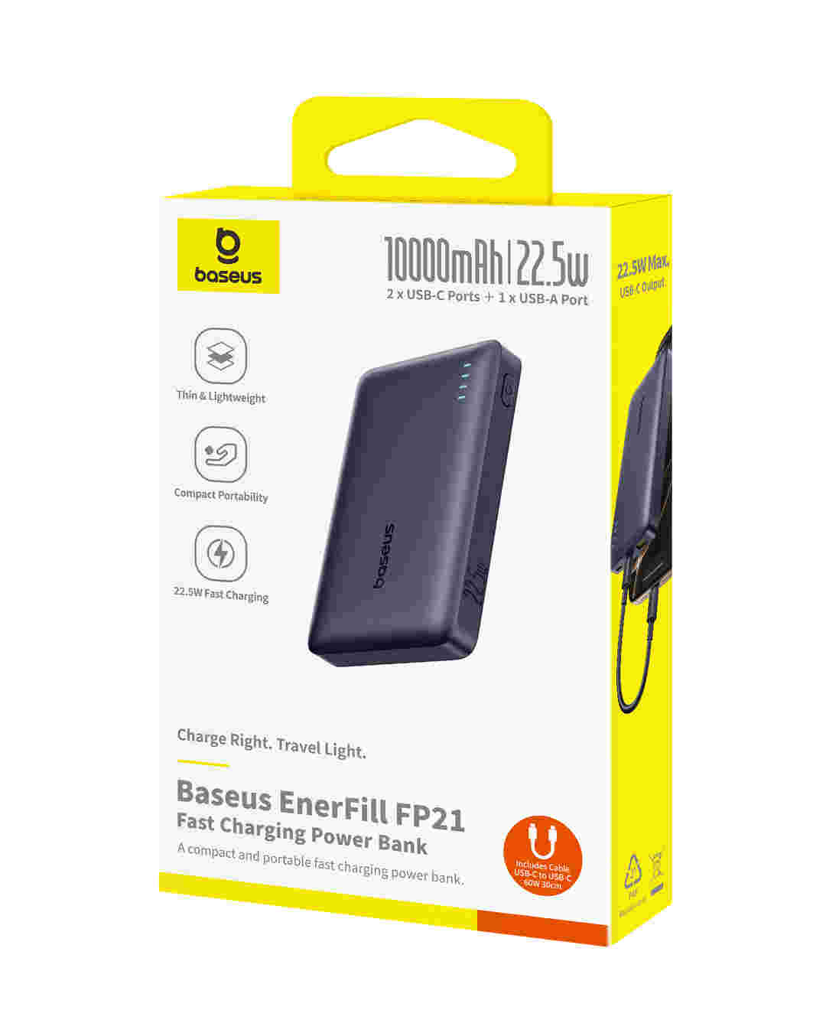 | 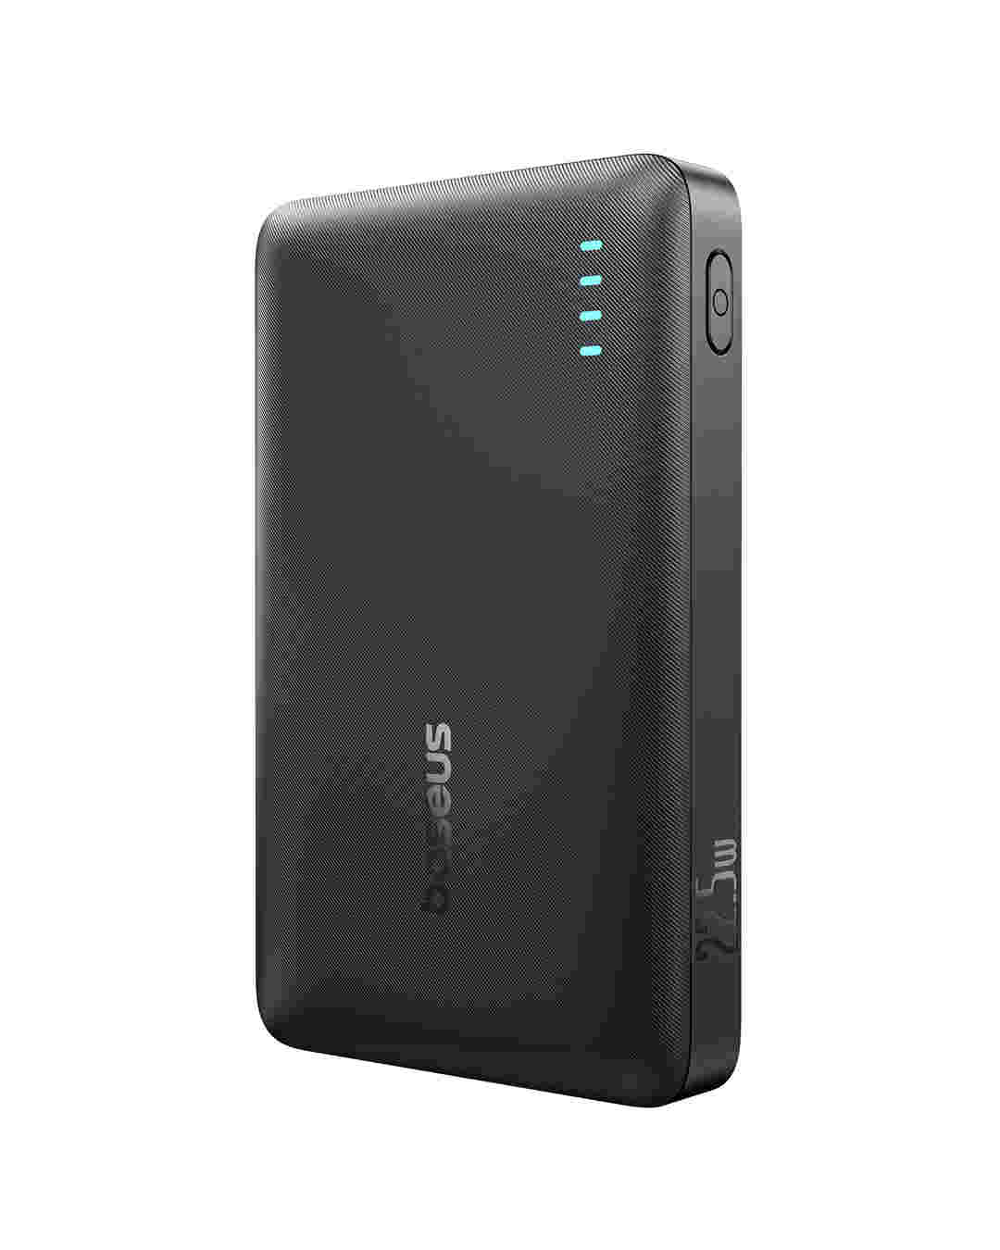 | 6932172690304 | OS-Baseus EnerFill FP21 Power Bank 10000mAh 22.5W Cosmic Black (Includes Simple Type-C to Type-C Cable 20V/3A 30cm Black) | 150 | £32.90 | £4,935.00 | Name: Baseus EnerFill FP21 Power Bank 10000mAh 22.5W Model No.: PPAP-1022-2 Capacity: 10000mAh 3.65V/36.5Wh USB-C1/USB-C2 Input: 5V⎓3A;9V⎓2A;12V⎓1.5A USB-C1 / USB-C2 Output: 5V⎓3A; 9V⎓2.22A; 10V⎓2.25A; 12V⎓1.5A USB-A Output: 5V⎓3A;9V⎓2A;10V⎓2.25A;12V⎓1.5A Total Output: 5V⎓3A Size:109×68.7×17.5mm Weight: ≈184.4g | DE,RU,PT,JP,KR,EN,IT,FR,UA,ES,AR,PL,TR
 | 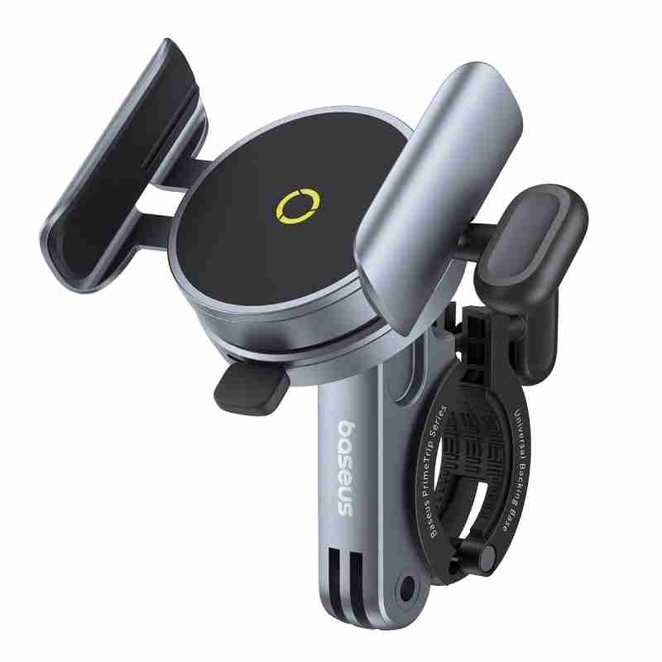 | 6932172661557 | Baseus PrimeTrip Series Magnetic Bike Phone Holder Cosmic Black | 147 | £51.90 | £7,629.30 | Name: Baseus PrimeTrip Series Magnetic Bike Phone Holder Model No.: BS-CM037 Material: Zinc alloy+ABS+PC+Silicone Magnetic Attraction: 9N (without phone case or metal ring sticker) Applicable Phone Size: 60-90mm wide Applicable Handlebar Size: 020-35mm | DE,RU,PT,JP,KR,EN,CN,IT,FR,UA,ES,AR,PL
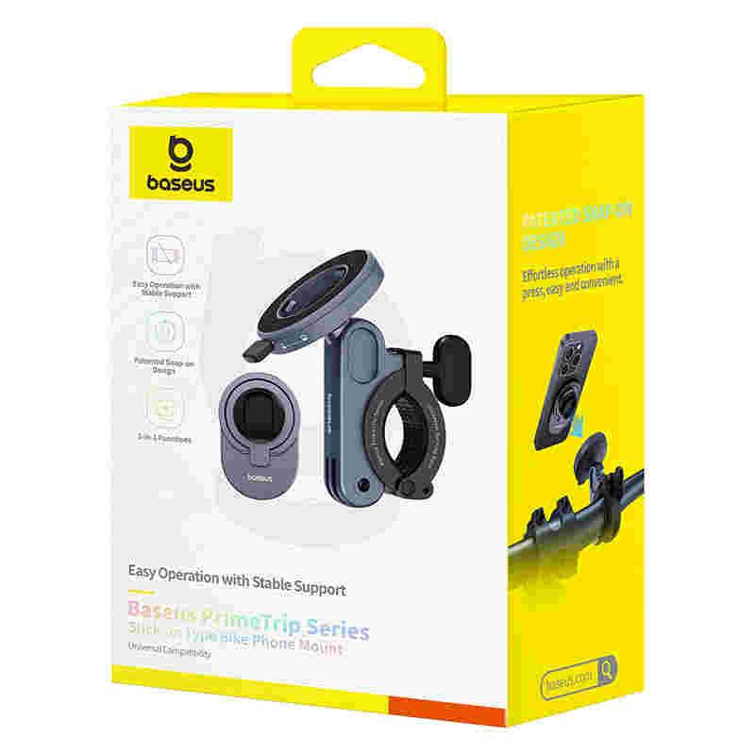 | 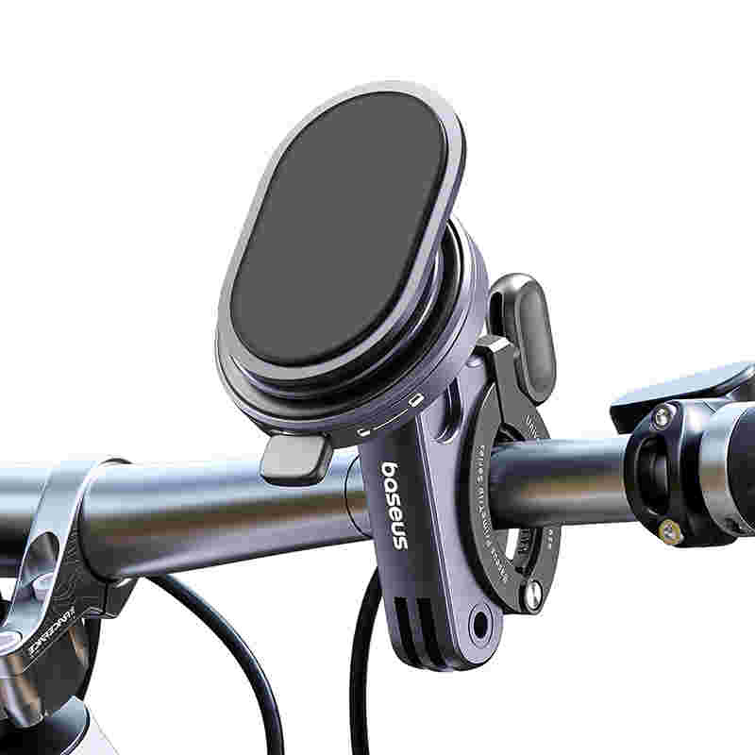 | 6932172665821 | Baseus PrimeTrip Series Stick-on Type Bike Phone Mount Cosmic Black | 139 | £35.90 | £4,990.10 | Name: Baseus PrimeTrip Series Stick-on Type Bike Phone Mount Model No.: BS-CM038 Material: Zinc alloy+ABS Components: Stick-on mount+backing base Color: Cosmic Black Applicable Handlebar Size: φ20-35mm | DE,RU,PT,JP,KR,EN,IT,FR,UA,ES,TC,AR,VI,ID,PL,TR
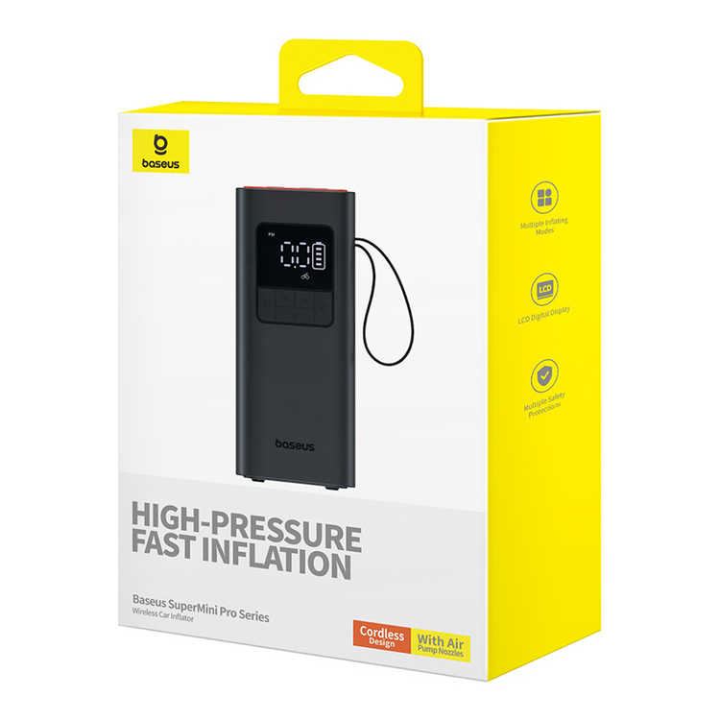 | 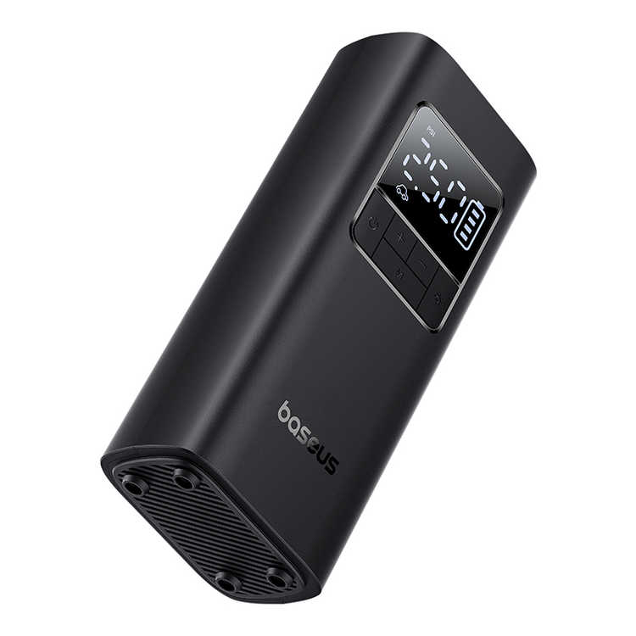 | 6932172635916 | Baseus SuperMini Pro Series Wireless Car Inflator Cluster Black | 128 | £58.90 | £7,539.20 | Name: Baseus SuperMini Pro Series Wireless Car Inflator Model No: BS-CG016 Battery Capacity: 4000mAh/14.8Wh Type-C Input: 5V=2A Inflation Time: 6-8min (R175 Tire) Applicable to: Cars/Motorcycle/Bicycles /Basketballs, etc. Working Temperature: Non-tropical areas, 0°C to 35 °C | DE,RU,PT,JP,KR,EN,CN,IT,UA,FR,ES,AR,PL
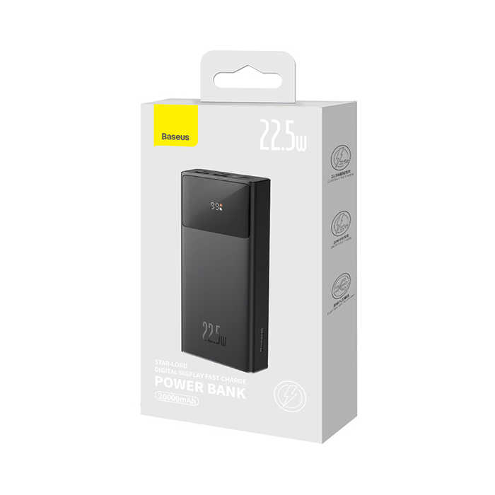 | 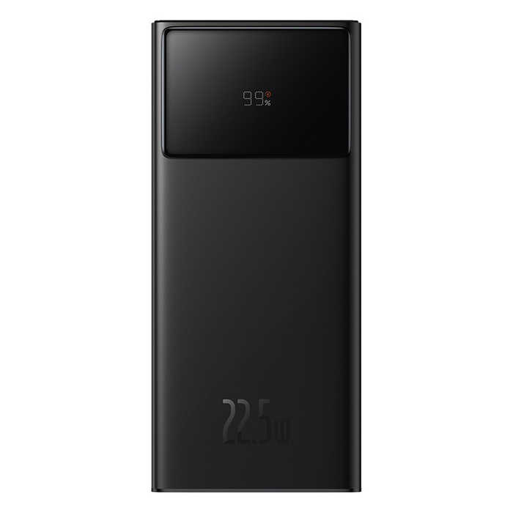 | 6932172620691 | Baseus Star-Lord Digital Display Fast Charge Power Bank 20000mAh 22.5W Black（With Simple Series Charging Cable USB to Type-C 3A 0.3m Black）Overseas Edition | 127 | £51.90 | £6,591.30 | Name: Power Bank Model No.：PPXJ20 Battery: Polymer Lithium Battery Power Capacity: 20000mAh / 74Wh Rated Capacity: 12000mAh (5V/3A) Energy Conversion Rate: ≥ 75% Micro Input: 5V/2A; 9V/2A Type-C Input: 5V/3A; 9V/2A Type-C Output: 5V/3A; 9V/2.22A; 12V/1.5A USB1/USB2 Output: 5V/3A; 9V/2A; 10V/2.25A (SCP); 12V/1.5A Total Output: 5V/3A Product Size: 154.8×69.4×29.5mm Product Weight: About 450g | AR,DE,RU,PT,JP,KR,EN,IT,FR,PL,UA,ES
 |  | 6932172611705 | Baseus Encok Wireless headphone D02 Pro Black | 125 | £14.90 | £1,862.50 | Name: Baseus Encok Wireless Headphone Model No.: Baseus Encok D02 Pro Material: ABS+PC Wireless version: V5.3 Communication distance: 10m Standby time: 300 hours Music time: 50 hours (70% of the volume) Battery capacity: 450 mAh/3.7V Rated input: DC5V=400 mA Rated consumption current : 10mA Charging time: 1.5 hours Frequency response range: 20Hz-20KHz Charge interface: Type-C Compatibility: wireless audio devices Product size: 165*80*205mm Weight: 190g | EN,CN
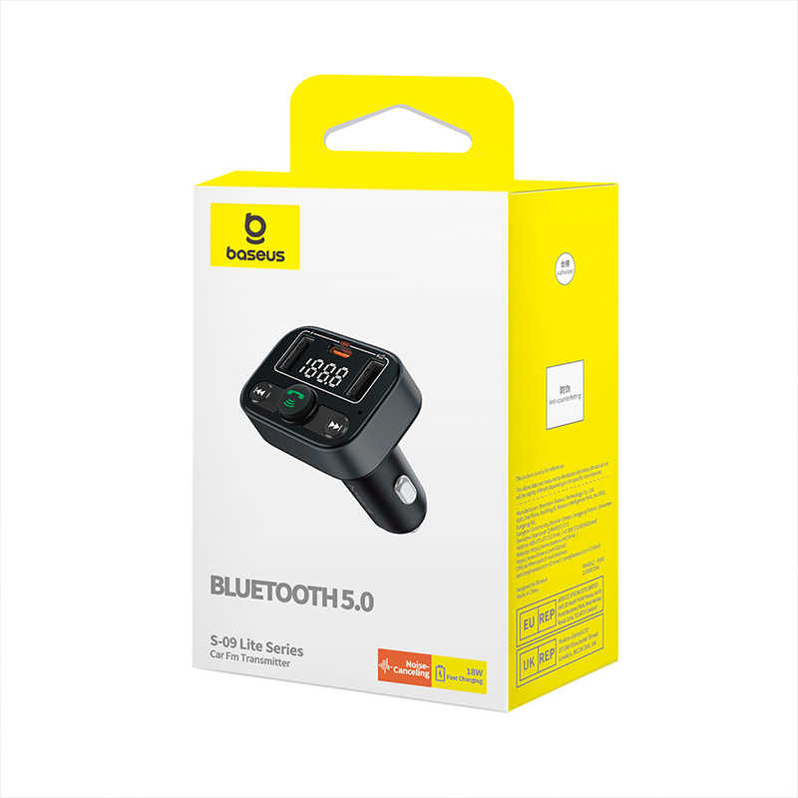 | 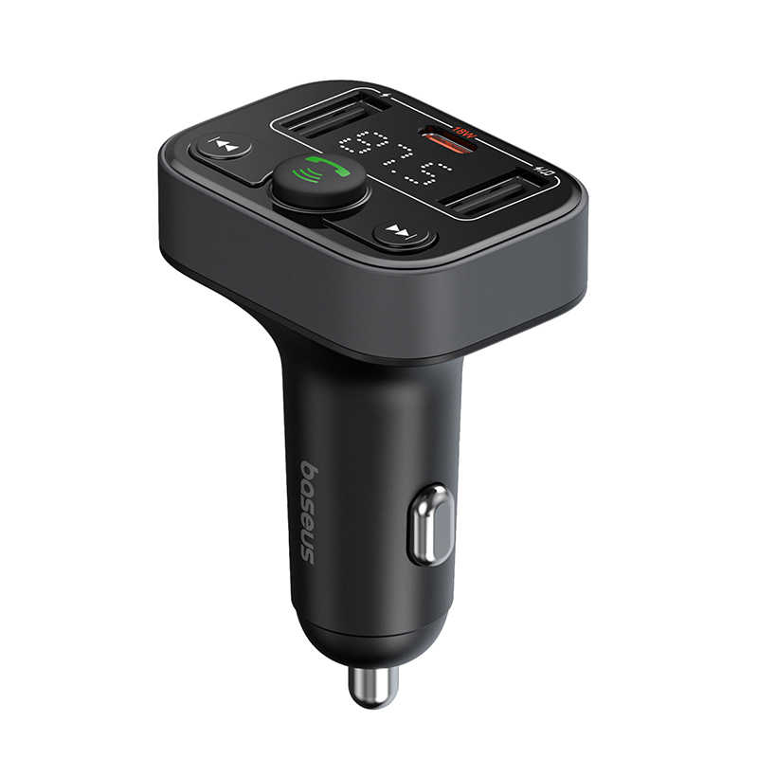 | 6932172643447 | Baseus S-09 Lite Series Car FM Transmitter Cluster Black | 122 | £18.90 | £2,305.80 | Name: Baseus S-09 Lite Series Car FM Transmitter Model No.: BS-CH011 Working Voltage: DC12V-24V Transmitting Frequency: 87.5-108.0MHz Transmitting Distance: ＜5m Bluetooth Version: Bluetooth 5.0 Connection Distance: About 10m Flash Drive/TF Card Capacity: ≤128G Audio Format: MP3 / WAV / FLAC / APE / WMA Compatible Car Model: Applicable to all 12V/24V cars Output Power: USB Output (Charging): 5V/2.4A (Max.) USB Output (Playback): 5V/1A (Max.) USB-C Output: 9V/2A, 12V/1.5A | DE,AR,RU,PT,JP,KR,EN,IT,FR,PL,UA,ES
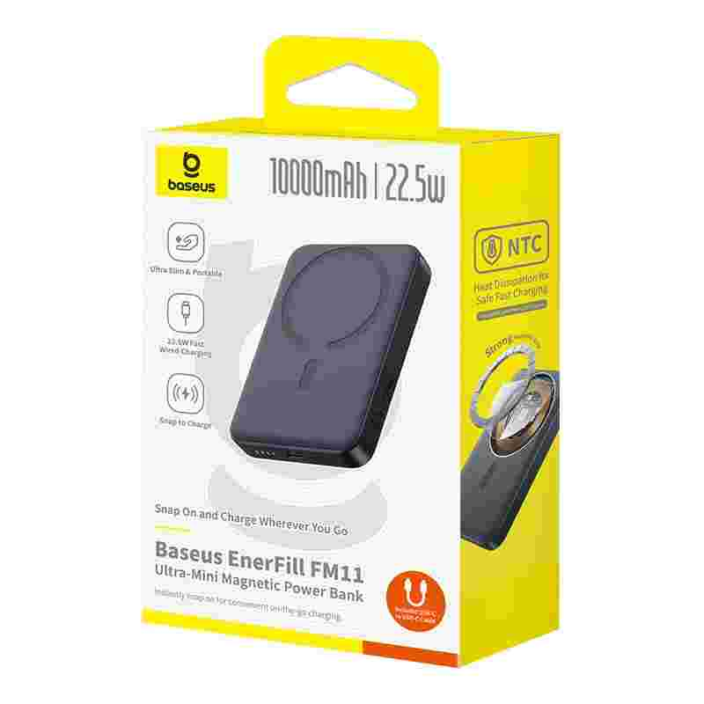 | 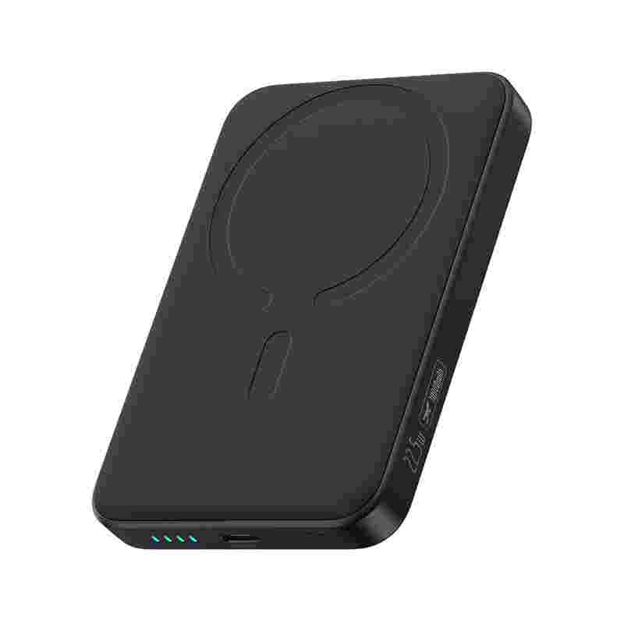 | 6932172690434 | OS-Baseus EnerFill FM11 Ultra-Mini Magnetic Power Bank 10000mAh 22.5W Cosmic Black (Includes Simple Cable Type-C to Type-C 20V/3A 30cm Black) | 120 | £44.90 | £5,388.00 | Model No.: PPFM11-1022 Capacity: 10000mAh 3.7V/37Wh USB-C Input: 5V⎓3A; 9V⎓2.22A USB-C Output: 5V⎓3A; 9V⎓2.22A; 10V⎓2.25A; 12V⎓1.5A Wireless Charging Output: 5W / 7.5W / 10W / 15W Total Output: 5V⎓3A Dimensions: 103 x 69 x 17mm Weight: ≈209g | DE,RU,PT,JP,KR,EN,IT,FR,UA,ES,AR,PL,TR
 |  | 6932172648275 | Baseus Eli Sport 1 Open-Ear TWS Earbuds Cosmic Black | 119 | £19.90 | £2,368.10 | Name: Baseus Open-Ear TWS Earbuds Model No.: Baseus Eli Sport 1 Material: ABS+PC+metal+silicone Wireless version: V5.3 Communication distance: 10m Driver: 16.2mm Diaphragm Driver Playback time: About 7-8 hours (with volume at 70%) Playback time with the charging case: About 30 hours (with volume at 70%) Battery capacity: 62mAh/0.236Wh (earbuds), 600mAh/2.22Wh (charging case) Charge time: About 1 hour Frequency response range: 20Hz-20kHz Charge port: USB-C Suitable for: compatible with most wireless playback devices *The above data are measured by the Baseus laboratory, the actual use can be slightly different depending on the specific circumstances. | DE,RU,PT,JP,KR,EN,CN,IT,FR,UA,ES,TC,AR,PL,NL,TR
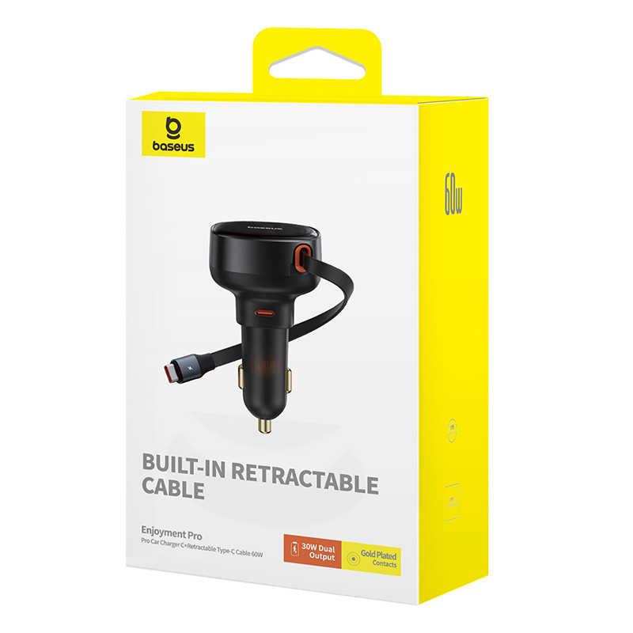 | 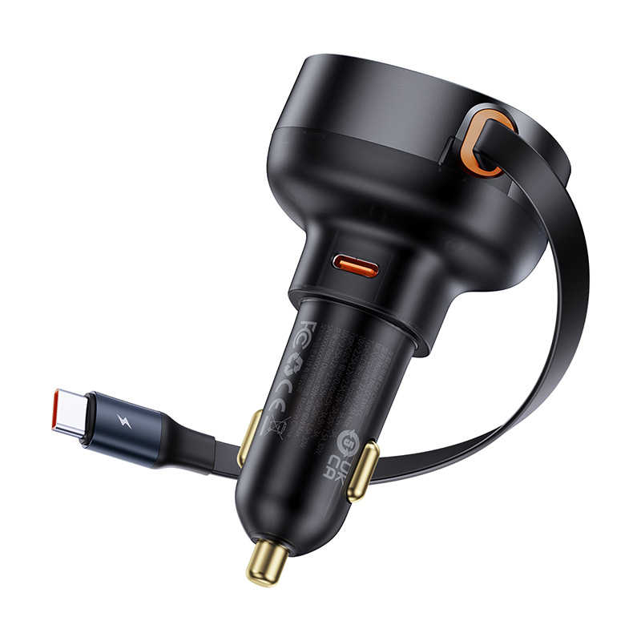 | 6932172641658 | Baseus Enjoyment Pro Car Charger C+Retractable Type-C Cable 60W Cluster Black | 109 | £26.90 | £2,932.10 | Name: Car Charger Model No.: CCTXP-CC Input: DC12-24V 7.0A Max. Type-C Output:5V-3A;9V-3A; 10V-2.25A; 12V-2.5A;15V-2A;20V-1.5A 30W Type-C cable output: 5V-3A;9V-3A; 10V-2.25A;12V-2.5A;15V-2A;20V-1.5A 30W Total Output:30W+30W 60W Max. Car Charger Size: 49mm×46mm×84mm Cable Length:70cm Max. | DE,RU,PT,JP,KR,EN,IT,CN,FR,UA,ES,TC,AR,PL,NL,TR
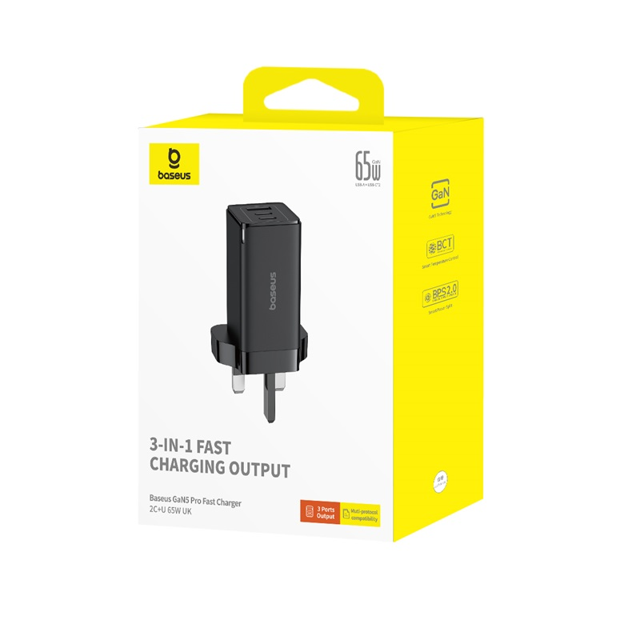 | 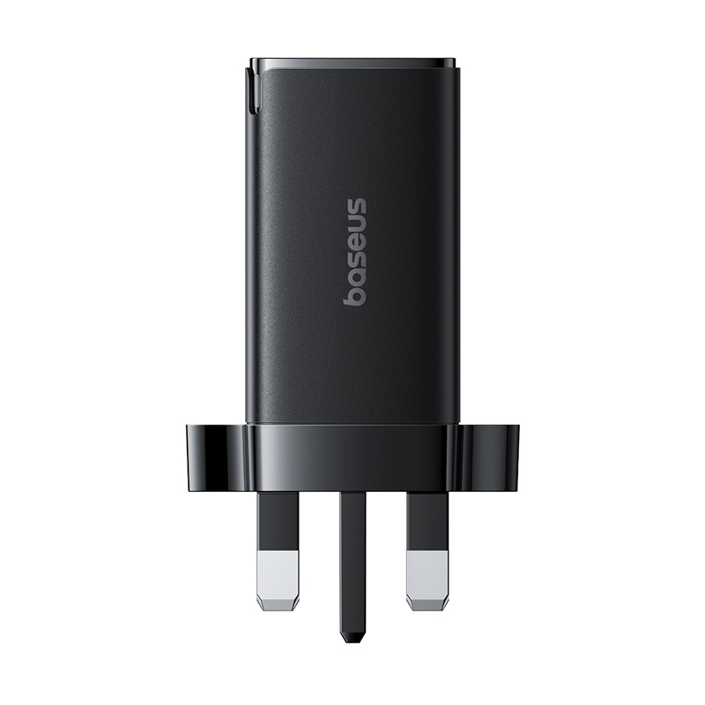 | 6932172645540 | OS-Baseus GaN5 Pro Fast Charger 2C+U 65W UK Cluster Black(Include：Baseus Xiaobai series fast charging Cable Type-C to Type-C 100W(20V/5A) 1m Black） | 105 | £42.90 | £4,504.50 | Name: GaN5 Pro Fast Charger Model No.: CCGAN65UK Input: AC 100-240V~, 50-60Hz, 1.5A Max. Type-C1/Type-C2 Output: 5.0V⎓3.0A (15.0W); 9.0V⎓3.0A (27.0W); 12.0V⎓3.0A (36.0W); 15.0V⎓3.0A (45.0W); 20.0V⎓3.25A (65.0W) Max. USB Output: 5.0V⎓3.0A (15.0W); 9.0V⎓3.0A (27.0W); 12.0V⎓3.0A (36.0W); 20.0V⎓3.0A (60.0W) Max. Type-C1+Type-C2 Output: 45.0W+20.0W Max. Type-C1+USB Output: 45.0W+18.0W Max. Type-C2+USB Output: 5.0V⎓3.0A 15.0W Max. Type-C1+(Type-C2+USB) Output: 45.0W+15.0W Max. 18.0W: 5.0V⎓3.0A (15.0W); 9.0V⎓2.0A (18.0W); 12.0V⎓1.5A (18.0W) Max. 20.0W: 5.0V⎓3.0A (15.0W); 9.0V⎓2.22A (20.0W); 12.0V⎓1.67A (20.0W) Max. 45.0W: 5.0V⎓3.0A (15.0W); 9.0V⎓3.0A (27.0W); 12.0V⎓3.0A (36.0W); 15.0V⎓3.0A (45.0W); 20.0V⎓2.25A (45.0W) Max. Product size: 39.7×49.6×64.5mm Product weight: ≈ /g | EN
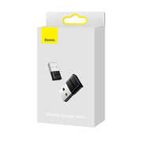 | 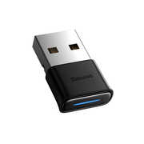 | 6932172604271 | Baseus Wireless Adapter BA04 Black | 100 | £8.90 | £890.00 | Name: Baseus Wireless Adapter BA04 Model: BA04 Color: Black Interface type: USB Material: Aluminium alloy/ABS Wireless version: 5.0 Connect distance: 20m Compatible protocols: A2DP, H2DP, HSP, AVRCP, HID, ect | EN,CN
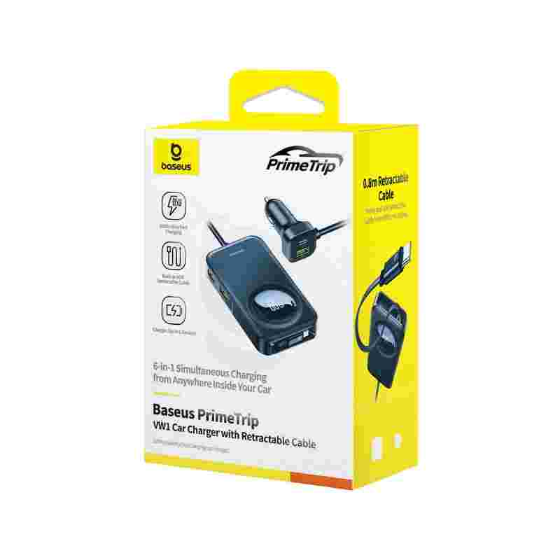 | 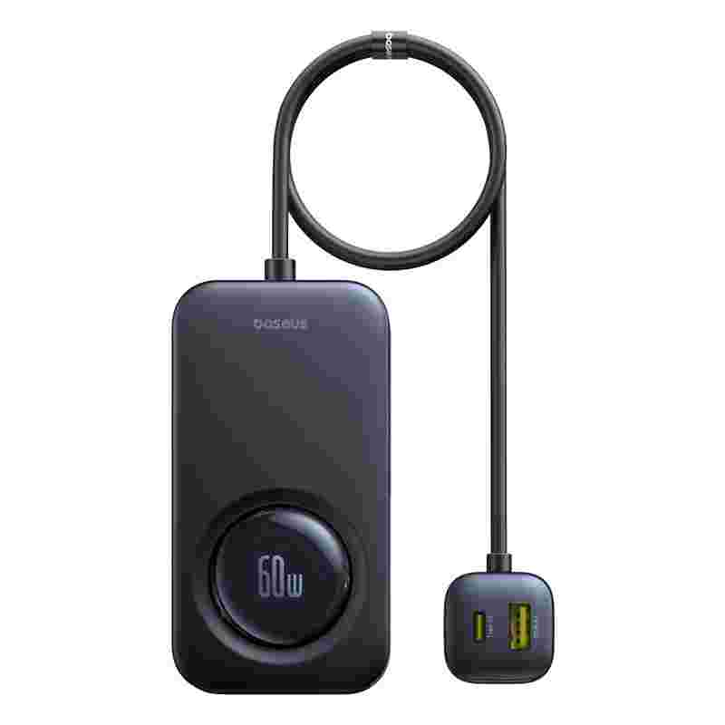 | 6932172687465 | Baseus PrimeTrip VW1 Car Charger with Retractable Cable 60W Cosmic Black | 99 | £47.90 | £4,742.10 | Name: Baseus PrimeTrip VW1 Car Charger Model No.：L2 Input: DC12V-24V 11A Output： Type-C1: 5V⎓3A, 9V⎓3A,12V⎓3A, 15V⎓3A, 20V⎓3A 60W Max. Type-C2/Type-C3: 5V⎓3A, 9V⎓3A, 12V⎓2.5A 30W Max. USB-A1/USB-A2: 5V⎓2.4A 12W Max. USB-A3: 5V⎓3A, 9V⎓3A, 10V⎓2.25A, 12V⎓2.5A 30W Max. Type-C1+Type-C2: 45W+18W USB-A1+USB-A2: 12W Type-C3+USB-A3: 17W Type-C2+USB-A1/USB-A2/+Type-C3/USB-A3: 30W+12W+30W 72W Max. Type-C1+USB-A1/USB-A2/+Type-C3/USB-A3: 60W+12W+30W 102W Max. Type-C1+Type-C2+(USB-A1+USB-A2)+(Type-C3+USB-A3): 45W+18W+12W+17W 92W Max. Type-C1+Type-C2+USB-A1/USB-A2+Type-C3/USB-A3: 45W+18W+12W+30W 105W Max. | DE,RU,PT,JP,KR,EN,IT,CN,FR,UA,ES,TC,AR,PL,NL,TR
 | 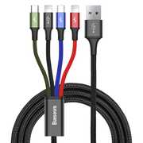 | 6953156278486 | Baseus Fast 4-in-1 Cable For iP(2)+Type-C+Micro 3.5A 1.2m Black | 98 | £10.90 | £1,068.20 | Material：Aluminum Alloy+Fish silk braided wire Colour：Black Output current：3.5A Feature：4-in-1 Suitable for： 2*Micro+iP+Type-C interface devices Note:Only iP interface has data transmission function | EN,CN
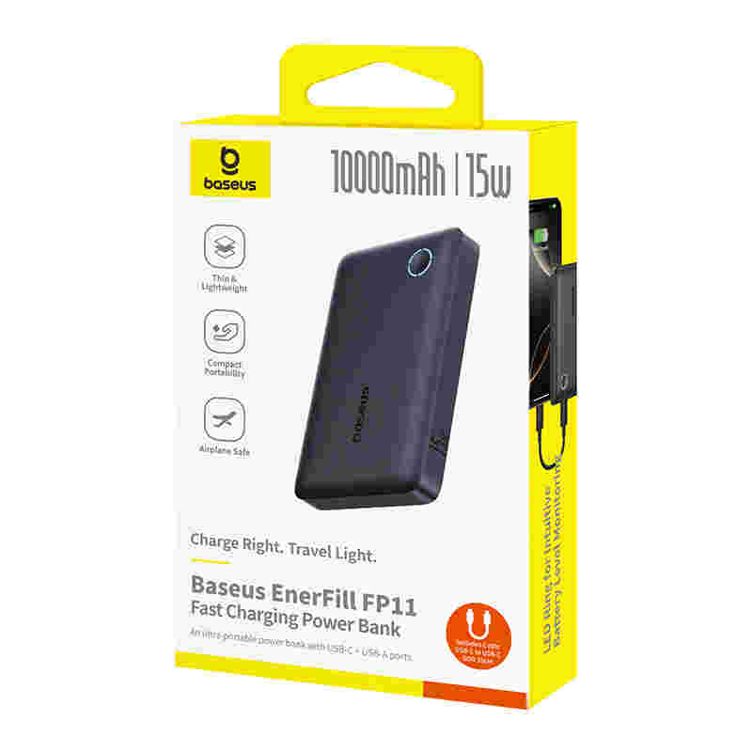 | 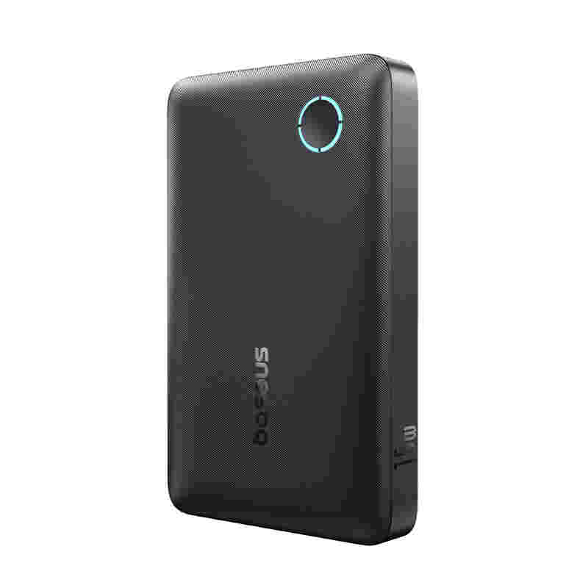 | 6932172690298 | OS-Baseus EnerFill FP11 Power Bank 10000mAh 15W Cosmic Black (Includes Simple Type-C to Type-C Cable 20V/3A 30cm Black) | 96 | £27.90 | £2,678.40 | Name: Baseus EnerFill FP21 Power Bank 10000mAh 15W Model No.: PPAP-1015-2 Capacity: 10000mAh 3.65V/36.5Wh USB-C Input: 5V⎓3A USB-C Output: 5V⎓3A USB-A Output: 5V⎓3A Total Output: 5V⎓3A Size:109 × 68.7 × 17.5mm Weight: ≈181g | DE,RU,PT,JP,KR,EN,IT,FR,UA,ES,AR,PL,TR
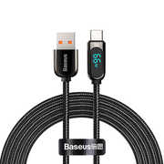 |  | 6932172600587 | Baseus Display Fast Charging Data Cable USB to Type-C 66W 2m Black | 91 | £16.90 | £1,537.90 | / | EN,CN
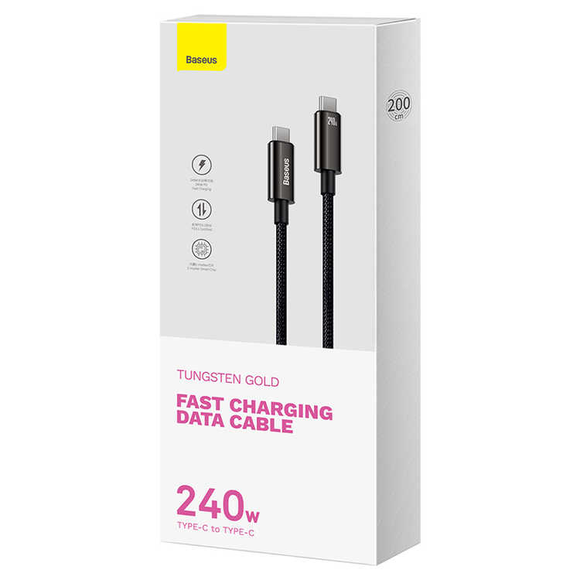 | 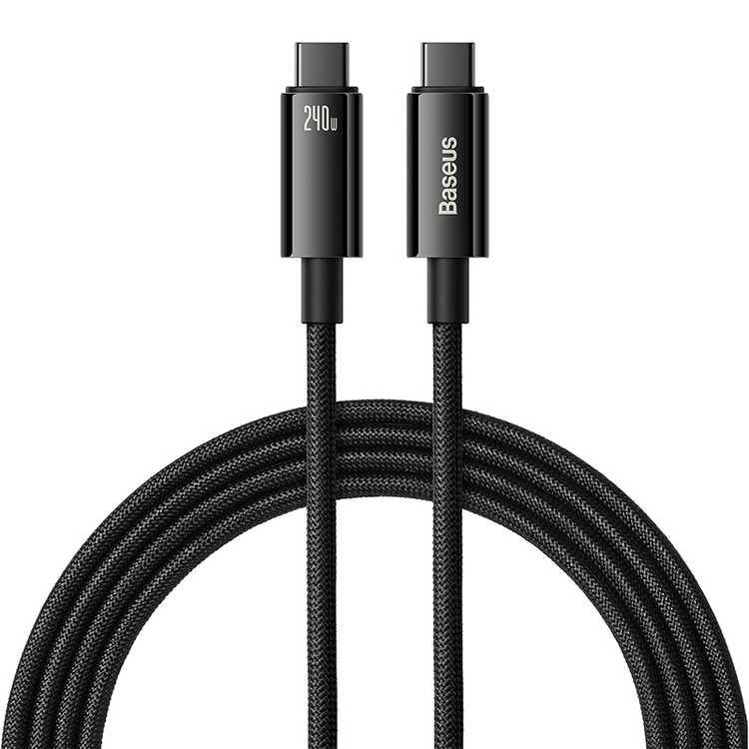 | 6932172628833 | Baseus Tungsten Gold Fast Charging Data Cable Type-C to Type-C 240W 2m Black | 90 | £10.90 | £981.00 | Name: Data Cable Model No.:CB000038 Material: Zinc alloy+nylon Power:240W Max. Transmission Rate:480Mbps | DE,RU,PT,JP,KR,EN,IT,CN,FR,UA,ES,AR,PL
 | 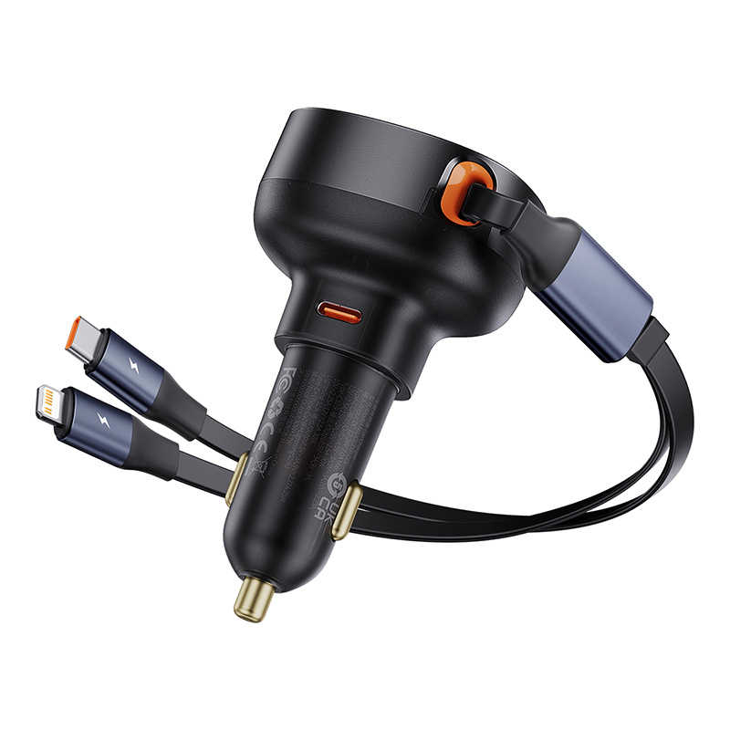 | 6932172641641 | Baseus Enjoyment Pro Car Charger C+Retractable C & iP Cable 60W Cluster Black | 90 | £35.90 | £3,231.00 | Name: Car Charger Model No.: CCTXP-CCL Charger Material: PC+ABS Cable Material: TPE+Aluminum alloy Input: DC12-24V 7.0A Max. Type-C Output: 5V-3A; 9V-3A; 10V-225A; 12V-2.5A; 15V/-2A;20V-11.5A 30W Type-C cable output: 5V-3A; 9V-3A; 10V-2.25A; 12V-2.5A 30W iP Cable Output: 5V-3A; 9V-2.77A 25W; Type-C+(Type-C Cable+iP Cable) Total Output: 30W+17W Car Charger Size:49mm×46mm×84mm Cable Length:75cm Max. Weight: About 85g (without packaging) | DE,RU,PT,JP,KR,EN,IT,CN,FR,UA,ES,TC,AR,PL,NL,TR
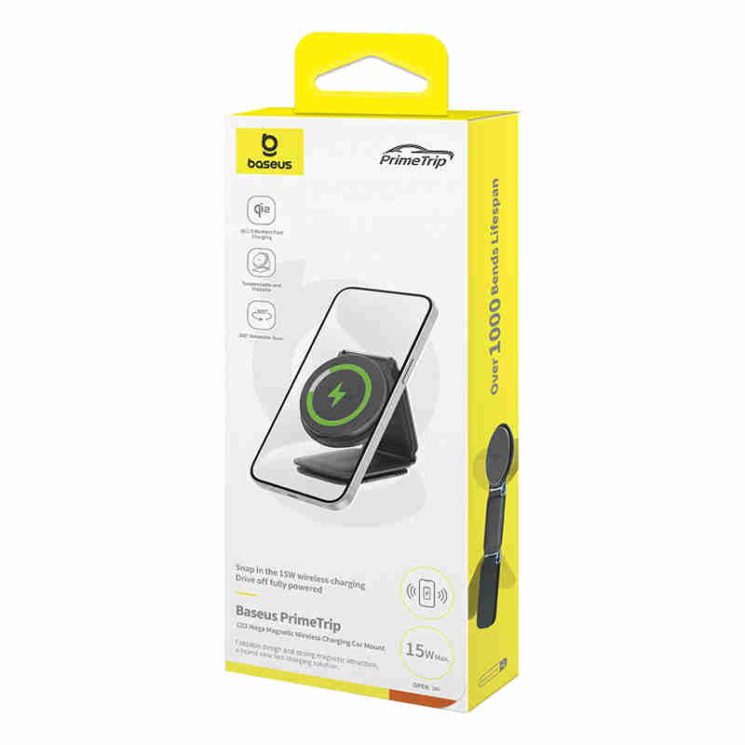 | 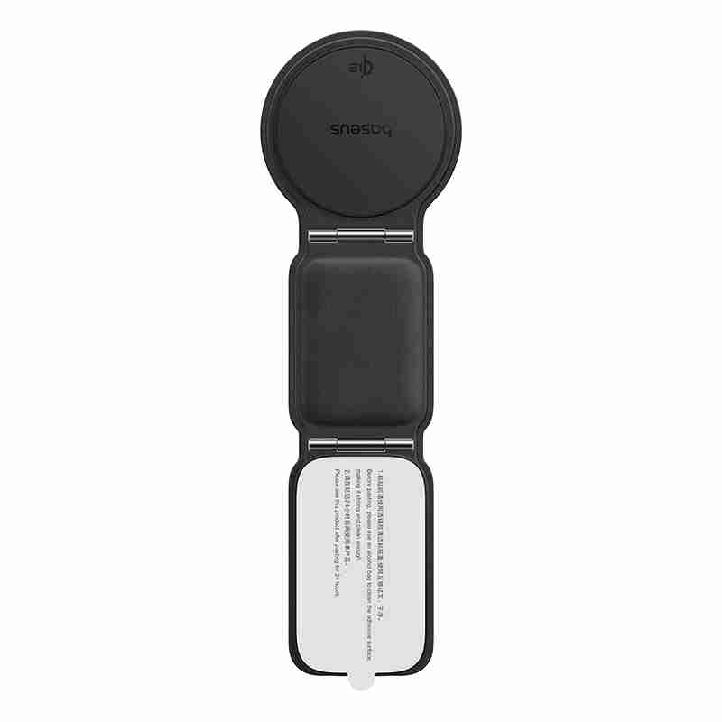 | 6932172673710 | Baseus PrimeTrip Series C02 Mega Magnetic Wireless Charging Car Mount Stick-on Version Cluster Black | 90 | £66.90 | £6,021.00 | Name: Baseus PrimeTrip Series C02 Mega Magnetic Wireless Charging Car Mount Model No.: BS-CM042 Material: Manganese steel+PU leather+Silicone Input: 9V⎓2.5A(Max.) Wireless output: 5W/7.5W/15W Total Power: 15W Applicable to: Center console/dashboard, etc Compatibility: All cars | DE,RU,PT,JP,KR,EN,IT,CN,FR,UA,ES,AR,PL,TR
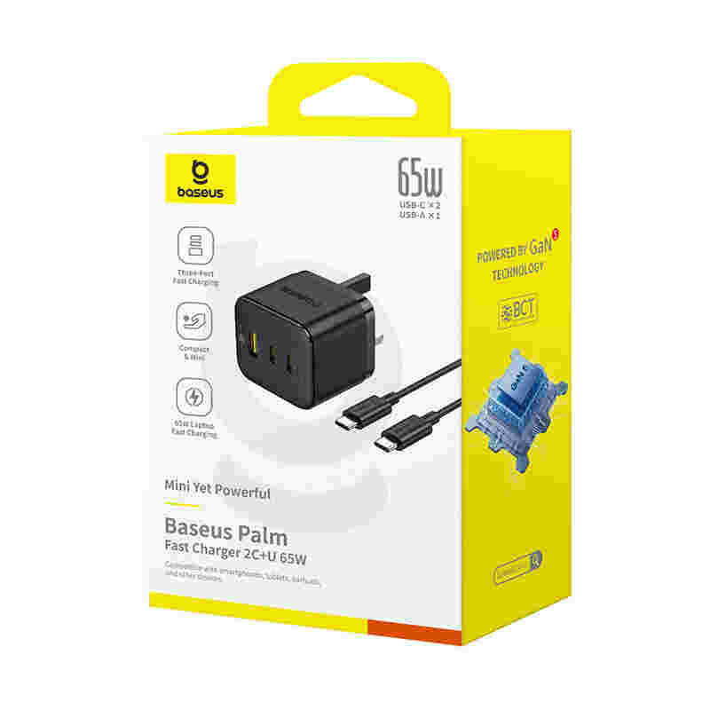 | 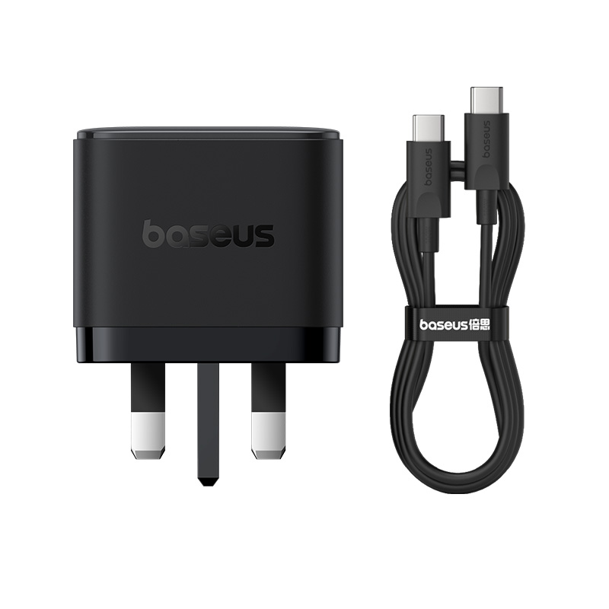 | 6932172673970 | OS-Baseus Palm Fast Charger 2C+U 65W UK Cluster Black (With: Baseus Mini White Cable Type-C to Type-C 100W(20V/5A) 1m Cluster Black) | 84 | £47.90 | £4,023.60 | Name：Palm Fast Charger Model：CCZC65CK Input：AC 110-240V~,50-60Hz,1.5A Max Type-C1/C2 Output：5.0V⎓3.0A(15.0W); 9.0V⎓3.0A(27.0W); 12.0V⎓3.0A(36.0W); 15.0V⎓3.0A(45.0W); 20.0V⎓3.25A(65.0W) Max. USB-A Output: 5.0V⎓3.0A(15.0W); 9.0V⎓3.0A(27.0W); 12.0V⎓3.0A(36.0W); 15.0V⎓3.0A(45.0W); 20.0V⎓3.0(60.0W) Max. Type-C1+Type-C2 Output: 45.0W +20.0W max Type-C1+USB Output: 45.0W+18.0W max Type-C2+USB Output: 5.0V⎓3.0A(15.0W) Max. Type-C1+(Type-C2+USB) Output: 45.0W+15.0W max Size：49.8×43.5×43.6mm（Not Include pins） Net Weight：≈ 148g | AR,EN,TC
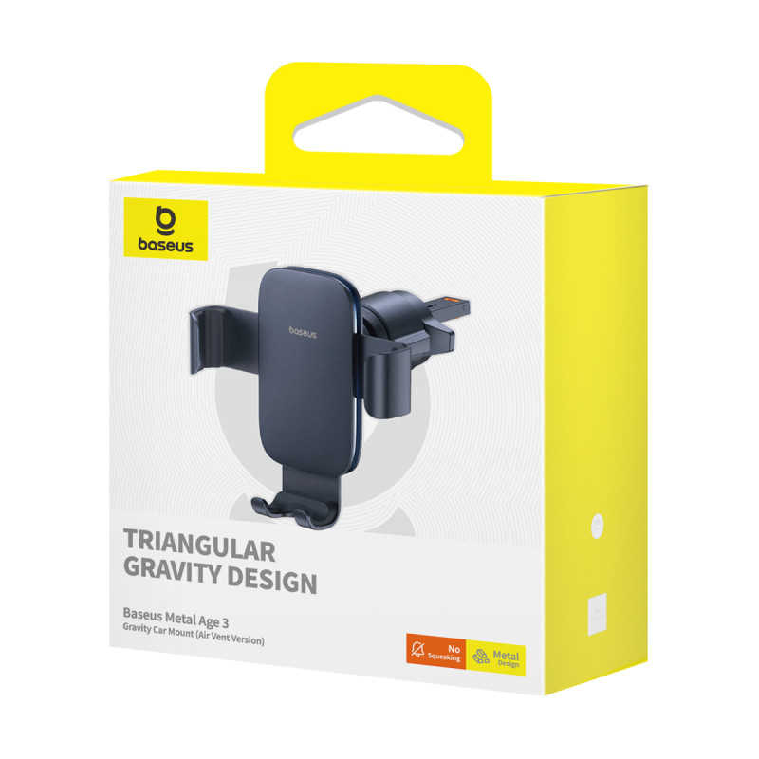 | 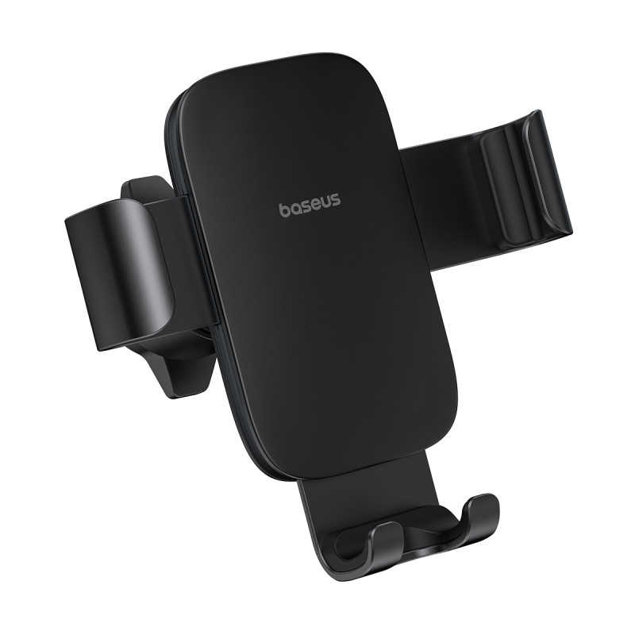 | 6932172653637 | Baseus Metal Age 3 Gravity Car Mount (Air Vent Version) Cluster Black | 81 | £12.90 | £1,044.90 | Name: Baseus Metal Age 3 Gravity Car Mount (Air Vent Version) Model No.: BS-CM028 Material: Aluminum alloy+ABS+PC Color: Cluster Black, Space Grey Installation area: Strip air vents (Not suitable for round and uniquely-shaped air vents) | DE,RU,PT,JP,KR,EN,IT,CN,FR,UA,ES,AR,PL
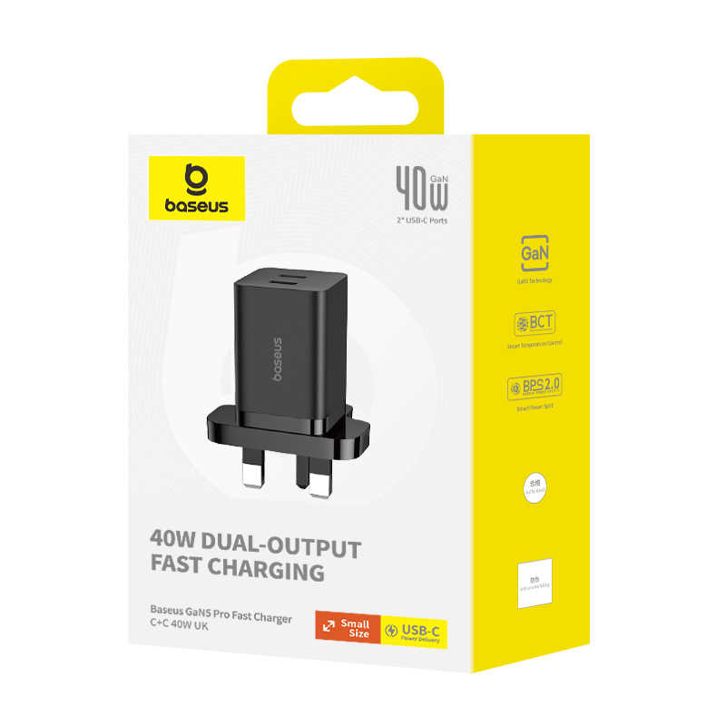 | 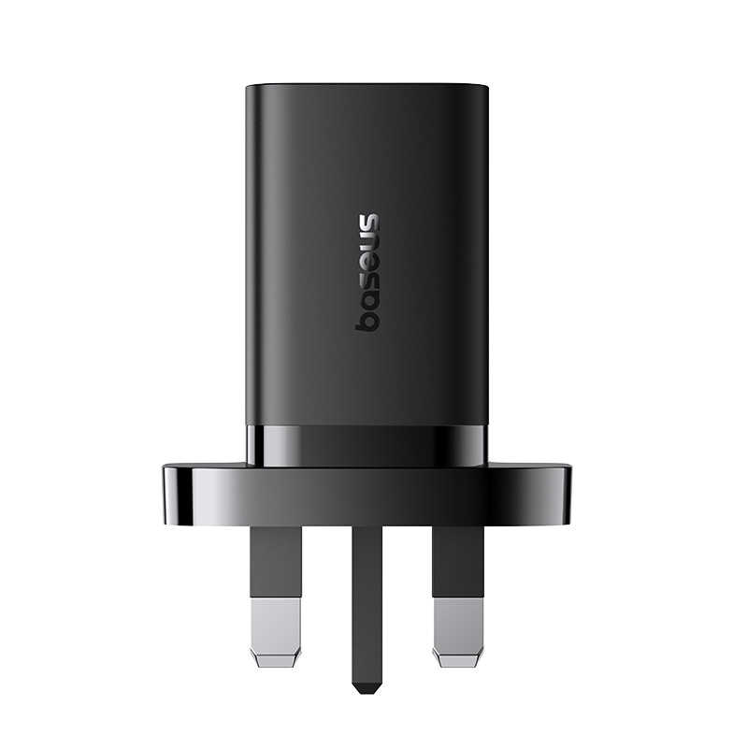 | 6932172645557 | OS-Baseus GaN5 Pro Fast Charger C+C 40W UK Cluster Black | 80 | £32.90 | £2,632.00 | Name: GaN5 Pro Fast Charger Model No.: CCGAN40UK Input: AC 110-240V, 50/60Hz, 1.5A Max. Type-C1 Output: 5.0V⎓3.0A (15.0W); 9.0V⎓3.0A (27.0W); 12.0V⎓3.0A (36.0W); 15.0V⎓2.67A (40.0W); 20.0V⎓2.0A (40.0W) Max. Type-C2 Output: 5.0V⎓3.0A (15.0W); 9.0V⎓3.0A (27.0W); 12.0V⎓3.0A (36.0W); 15.0V⎓2.67A (40.0W); 20.0V⎓2.0A (40.0W) Max. Total Output: 20.0W+20.0W Max. 20.0W: 5.0V⎓3.0A (15.0W); 9.0V⎓2.22A (20.0W); 12.0V⎓1.5A (18.0W) Max. Product size: 50×40.1×53.2mm (Pins not included) Product weight: ≈ / g | EN
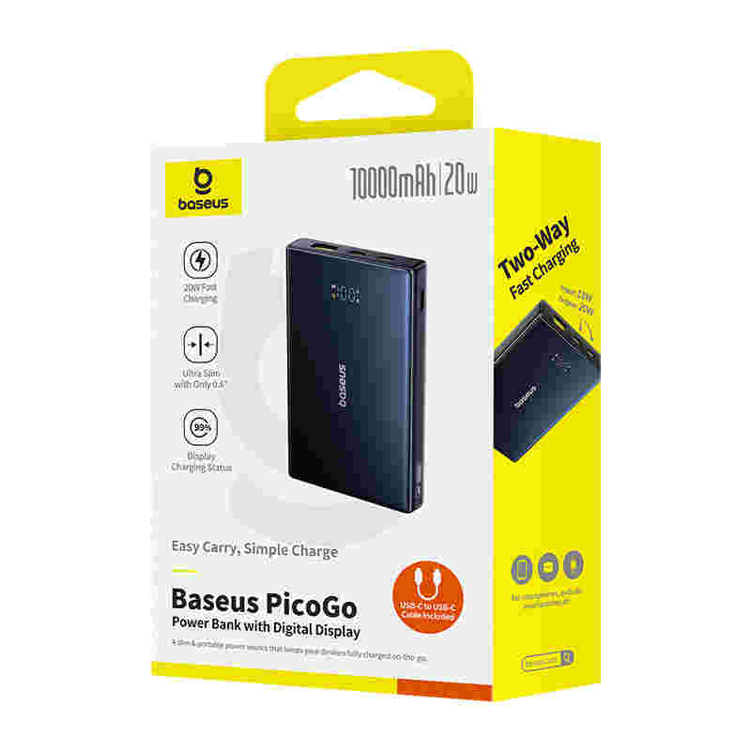 | 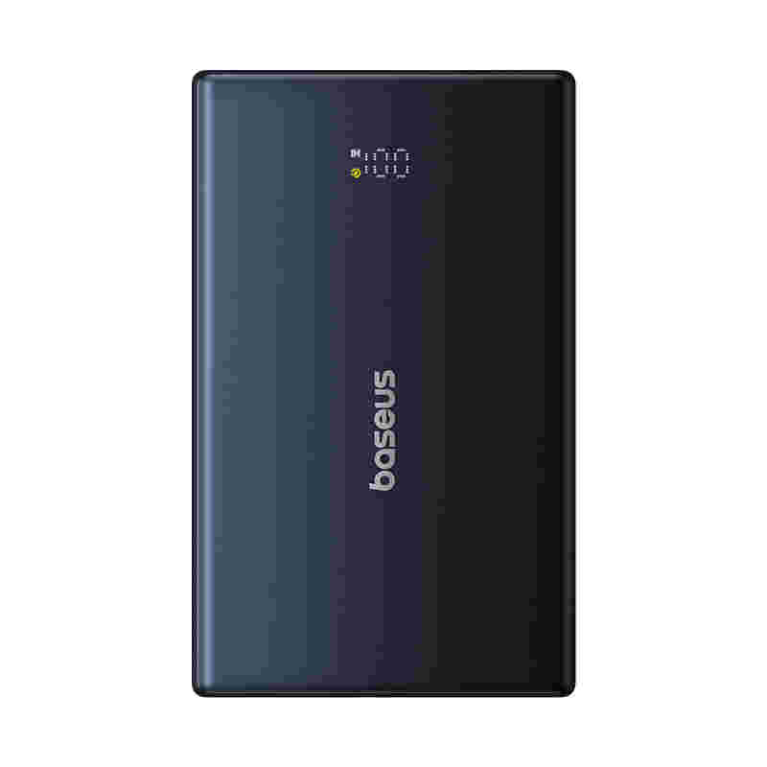 | 6932172670856 | OS-Baseus PicoGo Power Bank with Digital Display 10000mAh 20W Cosmic Black (With Simple wiring Type-C to Type-C 60W（20V/3A）30cm Black) | 80 | £38.90 | £3,112.00 | Power Bank Model No.:PPPG-1W20 Battery Type: Polymer Lithium-Ion Battery Capacity: 10000mAh 3.6V/36Wh Cell:10000mAh*1pcs USB-C1/USB-C2 Input：5V⎓3A;9V⎓2A; USB-C1/USB-C2 Output：5V⎓2.4A;9V⎓2.22A;12V⎓1.5A; USB-A Output:5V⎓2.4A;9V⎓2A;12V⎓1.5A; USB-C1+USB-C2+USB-A Output: 5V⎓2.4A Total Output:5V⎓2.4A Size:114.7*15.25*70.2mm Weight:≈170g | DE,RU,PT,JP,KR,EN,IT,FR,UA,ES,TC,AR,VI,ID,PL,TR
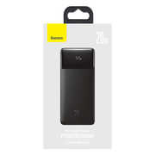 | 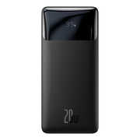 | 6932172618322 | Baseus Bipow Digital Display Fast Charge Power Bank 20000mAh 20W Black Overseas Edition （With Simple Series Charging Cable USB to Micro 25cm Black） | 80 | £43.90 | £3,512.00 | Brand: Baseus Name: Power Bank Model No.: PPBD20K Battery Type: Polymer lithium battery Capacity : 20000mAh / 3.7V（74Wh） Rated Capacity: 12000mAh（5V/3A） Energy Conversion rate: ≥75% Input： Micro Input: 5V/2A, 9V/2A Type-C Input: 5V/3A, 9V/2A Output： Type-C Output: 5V/3A, 9V/2.22A, 12V/1.5A USB1/USB2 Output: 5V/3A, 9V/2A, 12V/1.5A Total Output:5V/3A Max. Size: 153*68.8*29.5mm Product weight: 452g | DE,AR,RU,PT,JP,KR,EN,IT,FR,PL,UA,ES
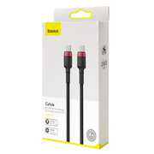 | 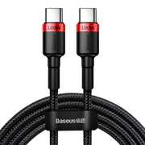 | 6953156216372 | Baseus Cafule PD2.0 100W flash charging Type-C to Type-C cable (20V 5A)2m Red+Black | 73 | £8.90 | £649.70 | Brand: Baseus Name: Baseus Cafule PD 2.0 100W Flash Charging Type-C For Type-C Cable (20V 5A) 2m Material: Aluminum alloy+ TPE + High density braided wire Color:Gray&Black 、Red&Black Current: 20V=5A 100W Transmission rate: 480Mbps Length:2m Applicable devices: Type-C interface device | EN,CN
 |  | 6953156223196 | Baseus Particular Digital Display QC+PPS Dual Quick Charger Car Charger 65W Dark Gray ((Include：Baseus Xiaobai series fast charging Cable Type-C to Type-C 100W(20V/5A) 1m Black) | 72 | £38.90 | £2,800.80 | Brand: Baseus Name: Baseus Particular Digital Display QC+PPS Dual Quick Charger Car Charger 65W Dark Gray (Include：Baseus Xiaobai series fast charging Cable Type-C to Type-C 100W(20V/5A) 1m Model: VCKX65C Material: Aluminum+ABS+PC Input: DC 12-24V USB output: 4.5V/5A;5V/4.5A;5V/3A;9V/3A;12V/2.5A;20V/1.5A Max.（“/”用直流符号） Type-C output: 5V/3A;9V/3A;12V/3A;15V/3A;20V/3.25A Max.（“/”用直流符号） Total Output: 18W+45W(63W) Color: Dark Gray Size: φ34mm*H68mm Weight: About 38g | EN,CN
 |  | 6932172653965 | OS-Baseus PrimeTrip Series C02 Go Magnetic Car Phone Mount (Stick-on Type) Cluster Black | 67 | £8.90 | £596.30 | Name: Baseus PrimeTrip Series C02 Go Magnetic Car Phone Mount Model No.: BS-CM027 Material: TPU+annealed aluminum+zinc alloy Attraction: without metal plate: 18N Size:59×236×17mm Product Weight: About 200g | DE,RU,PT,JP,KR,EN,IT,CN,FR,UA,ES,TC,AR,PL,NL,TR
 |  | 6932172643355 | Baseus S-09 Pro Series Car FM Transmitter Cluster Black | 66 | £24.90 | £1,643.40 | Name: Baseus S-09 Pro Series Car FM Transmitter Model No.: BS-CH010 Working voltage: DC12-24V Transmission frequency: 87.5-108.0MHz FM transmission distance: <16ft BT version:V5.3 Effective distance:≈32ft Supported flash disk/TF card capacity: 128G Audio format: MP3/WAV/FLAC/APE/WMA Compatible car models: 12V or 24V battery car Output power: 35W (Max.) Charging USB output: 5V-2.4A (Max.) Playback USB output: 5V-1A (Max.) USB-C output:5V-2.4A,9V-2A, 12V-1.5A (Max.) | DE,RU,PT,JP,KR,EN,CN,IT,FR,UA,ES,AR,PL
 |  | 6932172625474 | OS-Baseus Blade High Power Digital Display Quick Charge Power Bank 20000mAh 100W Black （ Include：Baseus Xiaobai series fast charging Cable Type-C to Type-C 100W(20V/5A) 1m Black) | 65 | £92.90 | £6,038.50 | Name: Power Bank ModelNo.:PPBLD100-X Battery: Polymer Lithium Battery Capacity:20000mAh /74Wh Energy conversion rate: ≥75% Type-C1/Type-C2 input:5V-3A;9V-3A; 12V-3A;15V-3A;20V-3.25A Type-C1/Type-C2 output: 5V-3A;9V-3A; 12V-3A;15V-3A;20V-5A USB1/USB2 output:4.5V-5A(SCP);5V-4.5A(SCP); 5V-3A;9V-3A;12V-2.5A Type-C1+Type-C2 output: 65W+30W Type-C1/Type-C2+USB1/USB2 output:65W+30W USB1+USB2 output:5V-3A Type-C1+Type-C2+USB1/USB2 output:45W+30W+18W Totaloutput:5V-9A | DE,AR,RU,PT,JP,KR,EN,IT,FR,PL,UA,ES
 |  | 6932172655969 | Baseus Bowie E19 True Wireless Earphones Cluster Black | 61 | £28.90 | £1,762.90 | Name: Baseus True Wireless Earphones Model No.: Baseus Bowie E19 Material: ABS+PC Wireless version: V5.3 Communication distance: 10m Playtime: About 6 hours (volume at 70%) Playtime with the charging case: About 33 hours Battery capacity: 35mAh/0.129Wh (earphones), 500mAh/1.85Wh (charging case) Earphone rated input: 5V⎓60mA Charging case rated input: 5V⎓480mA Earphone rated consumption current : 6mA Charging case rated consumption current: 140mA Charge time: About 1.5 hours Frequency response range: 20 Hz-20 kHz Charge interface: Type-C Suitable for: Compatible with most of wireless devices | DE,RU,PT,JP,KR,EN,CN,IT,FR,UA,ES,TC,AR,PL,TR,NL
 |  | 6932172669430 | Baseus GoTrip Series Bike Phone Mount Rearview Mirror Version Cluster Black | 60 | £18.90 | £1,134.00 | Name: Baseus GoTrip Series Bike Phone Mount Model No.: BS-CM032 Material: ABS+PC,silicone, aluminum alloy Applicable Models: 5.77"-7.2" phones | DE,RU,PT,JP,KR,EN,CN,IT,FR,UA,ES,AR,PL
 |  | 6932172687267 | OS-Baseus PrimeTrip VX1 Versatile Travel Magnetic Phone Holder Round Cosmic Black | 59 | £21.90 | £1,292.10 | Product name: Baseus PrimeTrip VX1 Versatile Travel Magnetic Phone Holder Round Material: Zinc alloy Model No.: BS-CM063 | DE,AR,RU,PT,JP,KR,EN,IT,FR,PL,UA,ES
 |  | 6932172646073 | OS-Baseus GaN5 Pro Fast Charger 2C+2U 100W UK Cluster Black (With Mini White Cable Type-C to Type-C 100W(20V/5A) 1m Black) | 59 | £66.90 | £3,947.10 | Name: GaN5 Pro Fast Charger Model No.: CCGAN100UK Input: AC 100-240V, 50/60Hz, 2.5A Max. Type-C1/Type-C2 Output: 5.0V⎓3.0A (15.0W), 9.0V⎓3.0A (27.0W), 12.0V⎓3.0A (36.0W), 15.0V⎓3.0A (45.0W), 20.0V⎓5.0A (100W.0) USB1/USB2 Output: 5.0V⎓3.0A (15.0W), 9.0V⎓3.0A (27.0W),12.0V⎓3.0A (36.0W), 20.0V⎓3.0A (60W) Type-C1+Type-C2 Output: 65.0W+30.0W/30.0W+65.0W USB1+USB2 Output: 5.0V⎓3.0A (15.0W) Type-C1/Type-C2+USB1/USB2 Output: 65.0W+30.0W Type-C1+Type-C2+USB1/USB2 Output: 60.0W+20.0W+18.0W Type-C1+Type-C2+USB1+USB2 Output: 60.0W+20.0W+15.0W 65.0W: 5.0V⎓3.0A (15.0W), 9.0V⎓3.0A (27.0W), 12.0V⎓3.0A (36.0W), 15.0V⎓3.0A (45.0W), 20.0V/3.25A (65.0W) 60.0W: 5.0V⎓3.0A (15.0W), 9.0V⎓3.0A (27.0W), 12.0V⎓3.0A (36.0W), 15.0V⎓3.0A (45.0W), 20.0V⎓3.0A (60.0W) Type-C 30.0W: 5.0V⎓3.0A (15.0W), 9.0V⎓3.0A (27.0W), 12.0V⎓2.5A (30.0W); 15.0V⎓2.0A (30.0W); 20.0V⎓1.5A (30.0W) USB 30.0W: 5.0V⎓3.0A (15.0W), 9.0V⎓3.0A (27.0W), 12.0V⎓2.5A (30.0W); 20.0V⎓1.5A (30.0W) 20.0W: 5.0V⎓3.0A (15.0W), 9.0V⎓2.22A (20.0W), 12.0V⎓1.67A (20.0W) 18.0W: 5.0V⎓3.0A (15.0W), 9.0V⎓2.0A (18.0W), 12.0V⎓1.5A (18.0W) Size: 85.5×49.65×61.8mm | EN
 |  | 6932172687243 | OS-Baseus GoTrip DP1 Car Charger C+C 30W Cosmic Black | 58 | £10.90 | £632.20 | Car Charger Model: BS-C15C2 Input: 12V-24V DC 3.5A Max. Type-C1 Output: 5V⎓3A; 9V⎓3A; 12V⎓2.5A 30W Max. Type-C2 Output: 5V⎓3A; 9V⎓3A; 12V⎓2.5A 30W Max. Type-C1+Type-C2 Output: 5V⎓3.4A Shenzhen Baseus Technology Co., Ltd. Made in China | DE,RU,PT,JP,KR,EN,IT,FR,UA,ES,TC,AR,VI,ID,PL,TR
 |  | 6953156293182 | Baseus Magic Series PPS digital display (Type-c PD+QC) Intelligent dual quick charging and car charging of 45W Black | 58 | £17.90 | £1,038.20 | Brand:Baseus Name:Baseus Magic Series PPS digital display (Type-c PD + QC) Intelligent dual quick charging and car charging of 45W Model No.：BS-C20C Input: DC 12-24V USB Output:4.5V/5A;5V/4.5A;9V/3A;12V/3A,20V/2.25A Type-C Output:5V/3A;9V/3A;12V/3A;15V/3A;20V/2.25A USB+Type-C Total Output:5V/6A | DE,RU,EN,CN,IT,PL,ES
 |  | 6932172662851 | OS-Baseus SafeJourney Series Wireless CarPlay Adapter Space Grey | 57 | £113.90 | £6,492.30 | Name: Baseus SafeJourney Series Wireless CarPlay Adapter Model No.: BS-CG027 Input: 5V⎓1A (Max.) | DE,RU,PT,JP,KR,EN,IT,CN,FR,UA,ES,AR,PL
 |  | 6953156268760 | Baseus Osculum Type Gravity Car Mount Black | 56 | £9.90 | £554.40 | Type:Gravity Car Phone Holder Material:Luxury Aluminium Alloy+Plastic Install Way:Suction Type Fixed Position:Dashboard ,Desktop,Windshield Suitable:For 4.0-6.0 inch Mobile Phone Suit for:63mm-88mm (Width)Smart Phone | EN,CN
 |  | 6932172626969 | OS-Baseus BSBA-02 AUX Wireless Audio Receiver Black | 50 | £16.90 | £845.00 |  | DE,RU,PT,JP,KR,EN,CN,IT,FR,UA,ES,AR,PL
 |  | 6932172691103 | OS-Baseus EnerFill FC31 Digital Display Power Bank with 2 Built-in USB-C Cables 10000mAh 45W Cosmic Black | 49 | £50.90 | £2,494.10 | Model: PPQD3-1040 Energy conversion efficiency: ≥75% Battery type: lithium-ion battery Cell capacity: 5000mAh*2pcs Battery energy: 5000mAh 7.3V/36.5Wh Rated capacity: 5600mAh USB-C port/USB-C1 cable input: 5V⎓3A; 9V⎓3A; 12V⎓2.5A; 15V⎓2A; 20V⎓1.5A USB-C port/USB-C1 cable /USB-C2 cable output: 5V⎓3A; 9V⎓3A; 12V⎓3A; 15V⎓3A; 20V⎓2.25A; 11V⎓3A USB-A port output: 5V⎓3A; 9V⎓2A; 12V⎓1.5A; 10V⎓2.25A (SCP); 11V⎓3A USB-C+USB-C1 cable + USB-C2 cable +USB-A port output: 5V⎓3A 5V total output: 5V⎓3A | DE,RU,PT,JP,KR,EN,IT,FR,UA,ES,AR,PL,TR
 |  | 6953156204324 | Baseus Adaman Metal Digital Display Quick Charge Power Bank 20000mAh 65W Black（With Simple Series Charging Cable USB to Type-C 3A 0.3m Black ) | 49 | £58.90 | £2,886.10 | Brand: Baseus Name: Baseus Adaman Digital Display Quick Charge Power Bank 20000mAh 65W Model No.: PPADM65 Battery type: Polymer battery Material: Aluminum alloy+ABS Capacity: 5000mAh / 3.7V /74Wh Rated capacity: 12000mAh (5V/6A) Energy conversion rate: ≥75% Input: Micro: 5V/2A, 9V/2A Type-C: 5V/3A, 9V/3A, 12V/3A, 15V/3A, 20V/3A Output: USB1: 4.5V/5A(SCP), 5V/4.5A(SCP), 5V/3A, 9V/3A, 12V/2.5A USB2: 5V/3A, 9V/3A, 12V/2.5A Type-C: 5V/3A, 9V/3A, 12V/3A, 15V/3A, 20V/3.25A USB1+USB2: 5V/3A Type-C+USB1/USB2: 45W+18W Total 5V output: 5V/6A Color: Black/Blue Size: 154*65*27mm Weight: 450g | EN,CN
 |  | 6932172626990 | OS-Baseus T Shaped S-16 Car Bluetooth MP3 Player Black | 47 | £20.90 | £982.30 | Name:Baseus T typed S-16 wireless MP3 car charger Model:S-16 Material: PC+ABS Wireless name : S-16 Size : MP3 unit (65mm*32mm*13.09mm); Car charger (27.56mm*27.56mm*50.33mm) Input voltage : DC 12/24V Output voltage/current : USB1 output: 5V=2.1A USB2 output:5V=1A Wireless version : 5.0 TF card capacity:<32GB AUX audio cable : About 84cm Audio format : Mp3 / WAV/ FLAC / APE/WMA Applicable models : Universal for 12V/24V car models Applicable phone models : IOS/Android etc. | DE,AR,RU,PT,JP,KR,EN,IT,FR,PL,UA,ES
 |  | 6953156225701 | Baseus i-wok Series USB Asymmetric Light Source Screen Hanging Light (Youth) Black | 47 | £46.90 | £2,204.30 | Brand: Baseus Name: Baseus i-wok Series USB Asymmetric Light Source Screen Hanging Light (Youth) Model: DGIWK-B01 Material: Aluminum alloy+PC+ABS Voltage: 5V Power: 5W (Max) Light source: LED Color temperature: 2800K-4000K-5500K Color rendering index: 80 Product size: 450*66*92mm Product weight: 480g | DE,RU,PT,JP,KR,EN,IT,CN,UA,FR,ES,AR,PL
 |  | 6932172657246 | OS Baseus Bowie E18 True Wireless Earphones Stellar White | 42 | £21.90 | £919.80 | Name: Baseus True Wireless Earphones Model No.: Baseus Bowie E18 Material: ABS+PC Bluetooth version: V5.3 Communication distance: 10m Playtime: About 7.5 hours (volume at 70%) Playtime with the charging case: About 25 hours Battery capacity: 40mAh/0.148Wh (earphones), 300mAh/1.11Wh (charging case) Earphone rated input: DC5V⎓100 mA Charging case rated input: DC5V⎓500 mA Earphone rated consumption current : 6 mA Charging case rated consumption current: 300 mA Charge time: About 1.5 hours Frequency response range: 20Hz-20kHz Charge interface: Type-C Suitable for: compatible with most Bluetooth playback devices *The above data are measured by the Baseus laboratory, the actual use can be slightly different depending on the specific circumstances. | DE,RU,PT,JP,KR,EN,IT,CN,FR,UA,ES,AR,PL
 |  | 6932172605216 | Baseus Metal AgeⅡ Gravity Car Mount（Air Outlet Version）Black | 38 | £13.90 | £528.20 | Brand: Baseus Metal AgeⅡ Gravity Car Mount Material: ABS+Aluminium alloy Color: Black/Silver/Gray/Green Locking method: Mechanical locking | EN,CN
 |  | 6932172648848 | Baseus Super Energy Mega Series Supercapacitor Car Jump Starter 3000A Twilight Grey | 36 | £232.90 | £8,384.40 | Name: Baseus Super Energy Mega Series Supercapacitor Car Jump Starter 3000A Model No.: BS-CH007 Capacity: 500F*5 Input: Type-C:5V-3A;9V-2A; EC8:6-12V-10A; DC:6-12V-10A Output: 12Vdc Compatible Car Models: 12V gas cars and diesel cars. Starting Voltage: 12V Starting Current: 1000A Peak Current: 3000A | DE,RU,PT,JP,KR,EN,CN,IT,UA,FR,ES,TC,AR,PL,NL,TR
 |  | 6932172673956 | OS-Baseus PrimeTrip Series C02 Go Magnetic Car Phone Mount (Stick-on Type) Cluster Black | 34 | £3.90 | £132.60 |  | DE,RU,PT,JP,KR,EN,IT,CN,FR,UA,ES,TC,AR,PL,NL,TR
 |  | 6932172600563 | Baseus Display Fast Charging Data Cable USB to Type-C 66W 1m Black | 34 | £13.90 | £472.60 | / | EN,CN
 |  | 6953156278301 | Baseus cafule Cable USB For Type-C 3A 1m Red+Black | 31 | £3.90 | £120.90 |  | EN,CN
 |  | 6953156225848 | Baseus Fast 4-in-1 Cable For iP+Type-C(2)+Micro 3.5A 1.2m Black | 30 | £9.90 | £297.00 |  | EN,CN
 |  | 6932172657253 | OS Baseus Bowie E18 True Wireless Earphones Cosmic Black | 30 | £15.90 | £477.00 | Name: Baseus True Wireless Earphones Model No.: Baseus Bowie E18 Material: ABS+PC Bluetooth version: V5.3 Communication distance: 10m Playtime: About 7.5 hours (volume at 70%) Playtime with the charging case: About 25 hours Battery capacity: 40mAh/0.148Wh (earphones), 300mAh/1.11Wh (charging case) Earphone rated input: DC5V⎓100 mA Charging case rated input: DC5V⎓500 mA Earphone rated consumption current : 6 mA Charging case rated consumption current: 300 mA Charge time: About 1.5 hours Frequency response range: 20Hz-20kHz Charge interface: Type-C Suitable for: compatible with most Bluetooth playback devices *The above data are measured by the Baseus laboratory, the actual use can be slightly different depending on the specific circumstances. | DE,RU,PT,JP,KR,EN,IT,CN,UA,FR,ES,AR,PL
 |  | 6932172657826 | Baseus Bass 30 Max Wireless Headphones Cosmic Black | 28 | £32.90 | £921.20 | Name ：Baseus Wireless Headphones Modle No.：Baseus Bass 30 Max Color：Cosmic Black/Moon White Material：ABS+PC+Metal Weight ≈ 245.5g | DE,RU,PT,JP,KR,EN,IT,CN,FR,UA,ES,AR,PL
 |  | 6932172604196 | Baseus Super Energy Air Car Jump Starter（10000mAh,Peakcurrent 1000A）Black | 28 | £99.90 | £2,797.20 | Brand: Baseus Name: Baseus Super Energy Air Car Jump Starter Model: BS-CH001 Capacity：10000mAh/3.7V Type-C Input: 5V/2.4A(Max) USB output: 5V/3A（Max） Total output: 12W(Max) Starting voltage：12V Starting current: 500A Peak Current: 1000A Suitable for：4.0L gasoline car / 2.5L diesel car | DE,RU,PT,JP,KR,EN,IT,CN,FR,UA,ES,AR,PL
 |  | 6932172651084 | Baseus F02 Ergonomic Wireless Mouse（with AA Battery*1） Cluster Black | 26 | £31.90 | £829.40 | Name: Baseus F02 Ergonomic Wireless Mouse Model No.: BS-F02 Material: ABS+PC Transfer Distance: 10m Connection Type: 2.4GHz wireless+Bluetooth Bluetooth Version: Bluetooth 5.0 Sensitivity: 1000/1600/2000/2400/4000DPI Response Frequency: 250Hz Operating Systems: Windows, HarmonyOS, Apple OS, Linux, Vista, etc. | EN,CN
 |  | 6932172645533 | OS-Baseus GaN5 Pro Fast Charger 2C+U 65W UK Moon White(Include：Baseus Xiaobai series fast charging Cable Type-C to Type-C 100W(20V/5A) 1m White） | 26 | £42.90 | £1,115.40 | Name: GaN5 Pro Fast Charger Model No.: CCGAN65UK Input: AC 100-240V~, 50-60Hz, 1.5A Max. Type-C1/Type-C2 Output: 5.0V⎓3.0A (15.0W); 9.0V⎓3.0A (27.0W); 12.0V⎓3.0A (36.0W); 15.0V⎓3.0A (45.0W); 20.0V⎓3.25A (65.0W) Max. USB Output: 5.0V⎓3.0A (15.0W); 9.0V⎓3.0A (27.0W); 12.0V⎓3.0A (36.0W); 20.0V⎓3.0A (60.0W) Max. Type-C1+Type-C2 Output: 45.0W+20.0W Max. Type-C1+USB Output: 45.0W+18.0W Max. Type-C2+USB Output: 5.0V⎓3.0A 15.0W Max. Type-C1+(Type-C2+USB) Output: 45.0W+15.0W Max. 18.0W: 5.0V⎓3.0A (15.0W); 9.0V⎓2.0A (18.0W); 12.0V⎓1.5A (18.0W) Max. 20.0W: 5.0V⎓3.0A (15.0W); 9.0V⎓2.22A (20.0W); 12.0V⎓1.67A (20.0W) Max. 45.0W: 5.0V⎓3.0A (15.0W); 9.0V⎓3.0A (27.0W); 12.0V⎓3.0A (36.0W); 15.0V⎓3.0A (45.0W); 20.0V⎓2.25A (45.0W) Max. Product size: 39.7×49.6×64.5mm Product weight: ≈ /g | EN
 |  | 6932172642709 | OS-Baseus Magnetic Mini Wireless Fast Charge Power Bank iP Edition 10000mAh 20W Cluster Black（With Simple Series Charging Cable Type-C to Type-C (20V/3A) 30cm Black) | 26 | £73.90 | £1,921.40 | Name: Power Bank Model No.: PPCXM10I Battery: Polymer Lithium Battery Capacity: 10000mAh/38.5Wh Energy conversion rate: ≥75% Type-C input: 5V⎓3A; 9V⎓2A; 12V⎓1.5A Type-C output: 5V⎓2.4A ; 9V⎓3A ;12V⎓1.5A iP cable output: 5V⎓2.4A; 9V⎓2.22A Wireless Output: 5W/7.5W/10W/15W Total output: 5V⎓2.4A "Size: 105.7×69×20mm | DE,RU,PT,JP,KR,EN,CN,IT,FR,UA,ES,TC,AR,PL,NL,TR
 |  | 6932172653620 | Baseus Metal Age 3 Gravity Car Mount (Air Vent Version) Space Grey | 25 | £15.90 | £397.50 | Name: Baseus Metal Age 3 Gravity Car Mount (Air Vent Version) Model No.: BS-CM028 Material: Aluminum alloy+ABS+PC Color: Cluster Black, Space Grey Installation area: Strip air vents (Not suitable for round and uniquely-shaped air vents) | DE,RU,PT,JP,KR,EN,IT,CN,FR,UA,ES,AR,PL
 |  | 6932172663629 | Baseus Metal Age 3 Gravity Car Mount (Air Vent Version) NEW Cluster Black | 25 | £14.90 | £372.50 | Name: Baseus Metal Age 3 Gravity Car Mount (Air Vent Version) Model No.: BS-CM028 Material: ABS+PC+Aluminium alloy Installation area: Air vent Suitable for: Strip air vents (Not suitable for round and uniquely-shaped air vents) Product size: 100 X 98mm Product Weight: About 90g | DE,RU,PT,JP,KR,EN,CN,IT,FR,UA,ES,AR,PL
 |  | 6953156225961 | Baseus cafule Cable USB For iP 2.4A 1m Red+Black | 24 | £3.90 | £93.60 |  | EN,CN
 |  | 6953156278240 | Baseus cafule Cable USB For Type-C 3A 2m Red+Black | 24 | £5.90 | £141.60 | Material：Aluminum Alloy + TPE + High-density Nylon Braided Wire Colour：Grey Black/Red Black/Red Output current： 0.5m/1m: 5V/3A 9V/2A 2m: 5V/2A Transmission speed: 480Mbps Suitable for：Type-C interface device | EN,CN
 |  | 6932172641412 | OS-Baseus Amblight Digital Display Fast Charge Power Bank 26800mAh Cluster Black (Baseus Xiaobai Series Fast Charging Cable Type-C to Type-C 100W(20V/5A) 1m Black） | 24 | £108.90 | £2,613.60 | Name: Power Bank Model No.: PPLG2-65 Battery: Polymer lithium battery Capacity: 26800mAh/99.2Wh Energy conversion rate:≥75% iP input:5V-2.1A Micro input:5V-2A;9V-2A;12V-1.5A Type-Cinput:5V-3A;9V-3A; 12V-3A;12V-3A;15V- 3A:20V-3A Type-Coutput:5V-3A;9V-3A; 12V-3A;12V-3A;15V -3A:20V-3.25A USB1/USB2/USB3 output:5V-3A USB4 output:5V-4.5A(SCP);4.5V-5A(SCP); 5V-3A:9V-3A:12V-2.5A;20V-1.5A USB1+USB2+USB3+USB4 output:5V-3A USB1/USB2/USB3+Type-Coutput: 15W+45W USB4+Type-Coutput: 18W+45W 5V Total output:5V-6A Product size:145×65×38mm Product weight: About 534g | DE,RU,PT,JP,KR,EN,CN,IT,FR,UA,ES,TC,AR,PL,NL,TR
 |  | 6932172674038 | DZ-OS Baseus Metal Age 3 Gravity Car Mount (Air Vent Version) Cluster Black | 23 | £10.00 | £230.00 |  | DE,RU,PT,JP,KR,EN,CN,IT,FR,UA,ES,AR,PL
 |  | 6932172636579 | Baseus Metal Gleam Series 7-Port HUB Space Grey （Type-C to HDMI4K@60Hz*1+USB3.0*3+PD*1+SD/TF*1) | 23 | £35.90 | £825.70 | Name: Baseus Metal Gleam Series 7-Port HUB Model No.: BS-OH146 Input Port: Type-C Output Ports: USB 3.0: 5Gbps HDMI:4K@60Hz PD: 100W (Max.) SD/TF:60MB/s | DE,JP,EN,CN,IT,FR,ES
 |  | 6932172600549 | Baseus Super Energy Max Car Jump Starter（20000mAh,Peakcurrent2000A）Black | 23 | £186.90 | £4,298.70 | Brand: Baseus Name: Baseus Super Energy Max Car Jump Starter（20000mAh,Peak current 2000A） Model: CRJS04 Capacity: 20000mAh/3.7V/74Wh Rated output capacity: 13000mAh Input: 5V/2A, 9V/2A(Max) Output 1: 5V/3A,9V/3A,12V/2.5A(Max) Output 2: 5V/2.4A(Max) Total output: 42W(Max) Starting voltage: 12V Starting current: 1000A Peak Current: 2000A Suitable for: 12V up to 8.0L gasoline engines and up to 4.0L diesel engines Size: 772.4g Weight: 772.4g | EN,CN
 |  | 6932172654306 | Baseus LightChaser Series Triple-Coil Wireless Charging Electric Car Mount Cluster Black | 22 | £66.90 | £1,471.80 | Name: Baseus LightChaser Series Triple-Coil Wireless Charging Electric Car Mount Model No.: BS-CM029 Input: 5V⎓2A, 9V⎓2.4A Wireless Output: 5W/7.5W/10W/15W | DE,RU,PT,JP,KR,EN,CN,IT,FR,UA,ES,AR,PL
 |  | 6932172628789 | OS-Baseus Magnetic Mini Wireless Fast Charge Power Bank 20000mAh 20W Black （With Simple Series Charging Cable Type-C to Type-C (20V/3A) 30cm Black) | 21 | £69.90 | £1,467.90 | Name: Power Bank ModelNo.: PPCXM20 Battery: Polymer lithium battery Capacity:20000mAh /74Wh Energy Conversion Rate: ≥75 Type-CInput:5V-3A;9V-2A Type-C Output:5V-2.4A; 9V-2.22A;12V-1.5A Wireless Output:5W/7.5W/10W/15W Total Output: 5V-2.4A Product Size: 111.3X70.4X30.9mm Product Weight: About 360g | AR,DE,RU,PT,JP,KR,EN,IT,PL,UA,FR,ES
 |  | 6953156219342 | Baseus Cafule PD2.0 100W flash charging Type-C to Type-C cable (20V 5A)2m Gray+Black | 20 | £7.90 | £158.00 |  | EN,CN
 |  | 6932172659653 | OS Baseus Free2Pull Power Bank with Retractable Cable 10000mAh 30W Cosmic Black | 19 | £46.90 | £891.10 |  | DE,RU,PT,JP,KR,EN,IT,FR,UA,ES,TC,AR,VI,ID,PL,TR
 |  | 6932172654801 | Baseus Bowie E16 True Wireless Earphones Cluster Black | 16 | £27.90 | £446.40 | Name: Baseus True Wireless Earphones Model No.: Baseus Bowie E16 Material: ABS+PC Wireless version: V5.3 Communication distance: 10m Playtime: About 6 hours (volume at 70%) Playtime with the charging case: About 25-30 hours Battery capacity: 35mAh/0.129Wh (earphones), 400mAh/1.48Wh (charging case) Earphone rated input: DCSV¥70mA Charging case rated input: DC5Vī360mA Earphone rated consumption current : 5.8mA Charging case rated consumption current: 212mA Charge time: About 1.5 hours Frequency response range: 20 Hz-20 kHz Charge interface: Type-C Suitable for: Compatible with most of wireless devices *The above data are measured by the Baseus laboratory, the actual usecan be slightly different depending on the specific circumstances. | DE,RU,PT,JP,KR,EN,CN,IT,FR,UA,ES,TC,AR,PL,NL,TR
 |  | 6932172654351 | Baseus Super Energy Series 4-in-1 Car Jump Starter 600A Cluster Black | 16 | £131.90 | £2,110.40 | Name: Baseus Super Energy Series 4-in-1 Car Jump Starter Model No.: BS-CH013 Battery: Li-polymer battery Cell: 1500mAh*4pcs Capacity: 1500mAh/14.8V/22.2Wh Rated Output Capacity: 3700 mAh Input: USB-C: 5Və2.4A Output: USB-A: 5Və2.4A(Max.) Rated Powe: 45W Working Temperature: 35 °C (Max.) | DE,RU,PT,JP,KR,EN,CN,IT,FR,UA,ES,AR,PL
 |  | 6953156215399 | Baseus Digital Display Dual USB 4.8A Car Charger 24W Grey | 14 | £12.90 | £180.60 | Model: VCBXA Color: Silver/Grey Input: DC 12-24V USB 1 output: 5V/2.4A USB 2 output: 5V/2.4A Size: 34mm *59.5mm Weight: 28g | EN,CN
 |  | 6953156206571 | Baseus Display Fast Charging Data Cable Type-C to Type-C 100W 1m Black | 10 | £13.90 | £139.00 | Brand: Baseus Name: Baseus Display Fast Charging Data Cable Type-C to Type-C 100W Material: Zinc alloy+Nylon braided wire Power: 100W (20V/5A) Transmission rate: 480Mbps Input interface: Type-C Output interface: Type-C Length: 1m, 2m | EN,CN
 |  | 6953156291508 | Baseus Metal Age Gravity Car Mount (CD Version) Black | 7 | £15.90 | £111.30 | Brand:Baseus Material：Aluminum alloy + ABS Technology：CNC Colour：Black/Silver Fixed position：CD slot | EN,CN
 |  | 6932172632212 | Baseus GamerX Series 6-Port Type-C HUB Space Grey（Type-C to HDMI4K@60Hz*1+USB3.0*3+PD*1+RJ45*1） | 7 | £85.90 | £601.30 | Name: Baseus GamerX Series 6-Port HUB Model No.: BS-OH115 Input Port: Type-C Output ports: USB 3.0: 5Gbps HDMI: 4K@60Hz PD: 100W (Max.) RJ45: 1000Mbps Input: 5V-3A; 9V-3A; 15V-3A; 20V-5A Output: 5V-0.9A Operating systems: Windows, Apple OS, Linux, Vista | DE,RU,PT,JP,KR,EN,CN,IT,FR,UA,ES,AR,PL
 |  | 6953156206731 | Baseus Qualcomm® Quick Charge™ 5 Technology Multi-Port Fast Charge Car Charger C+C+U 160W set Gray（with Baseus Xiaobai series fast charging Cable Type-C to Type-C 100W (20V/5A) 1m Black） | 5 | £63.90 | £319.50 | Brand: Baseus Name: Car Charger Model No.: CCZX-160C Material: PC Input: DC 12-24V USB Output: 5V/3A; 9V/2A; 10V/2A; 12V/2.5A 30W（“/”用直流符号） Type-C1 Output: 5V/3A; 9V/3A; 12V/3A; 15V/3A; 20V/5A 100W（“/”用直流符号） Type-C2 Output: 5V/3A; 9V/2.22A; 12V/2.5A; 15V/2A; 20V/1.5A 30W（“/”用直流符号） Total Output: 100W+30W+30W Color: Gray Size: φ43mm*H77mm Weight: About 45g (without packaging) | EN,CN
 |  | 6953156278332 | Baseus cafule Cable USB For Type-C 2A 2m Red+Black | 3 | £4.90 | £14.70 |  | EN,CN
 |  | 6953156219359 | Baseus Cafule PD2.0 100W flash charging Type-C to Type-C cable (20V 5A)2m Red+Black | 3 | £9.90 | £29.70 |  | EN,CN
 |  | 6932172631710 | Baseus Bowie H1i Noise-Cancellation Wireless Headphones Cluster Black | 3 | £23.90 | £71.70 | Name: Baseus Wireless Headphones Model No.: Baseus Bowie H1i Material: ABS+PC+metal Wireless version: V5.3 Communication distance: 10m Music playing time: 100 hours (volume at 70%, noise reduction off) 70 hours (volume at 70%, noise reduction on) Battery capacity: 600mAh/2.22Wh Rated input: DC5V = 600mA Rated consumption current: 8mA Fully charging time: About 2 hours Frequency response range: 20Hz to 40kHz Charge interface: Type-C Application scope: Playback devices with wireless functions | DE,RU,PT,JP,KR,EN,IT,FR,UA,ES,AR,PL,TR
 |  | 6953156225855 | Baseus Fast 4-in-1 Cable For iP(2)+Type-C+Micro 3.5A 1.2m Black | 1 | £9.90 | £9.90 |  | EN,CN
 |  | 6953156291515 | Baseus Metal Age Gravity Car Mount (CD Version) Silver | 1 | £15.90 | £15.90 | Brand:Baseus Material：Aluminum alloy + ABS Technology：CNC Colour：Black/Silver Fixed position：CD slot | EN,CN
 |  | 6932172690670 | OS-Baseus PicoGo AM41 Ultra-Slim Magnetic Power Bank 5000mAh 20W Cosmic Black (Includes Simple Braided Cable USB-C to USB-C 60W 30cm Black) | 1 | £54.90 | £54.90 | Power Bank Model No.: PPKPC-0520 Capacity: 5000mAh 3.6V/18Wh USB-C Input: 5V⎓3A; 9V⎓1.67A USB-C Output: 5V⎓2.4A; 9V⎓2.22A; 12V⎓1.5A Wireless Output: 5W / 7.5W / 15W Total Output: 5V⎓2.4A Dimensions: 99.8 x 66.6 x 9.2mm Weight: 110g | DE,RU,PT,JP,KR,EN,IT,FR,UA,ES,AR,PL,TR
 |  |  |  | 5566 |  | £224,476.70

